MASS BALANCE PROCESSING
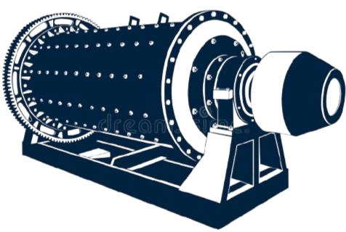

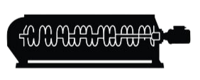

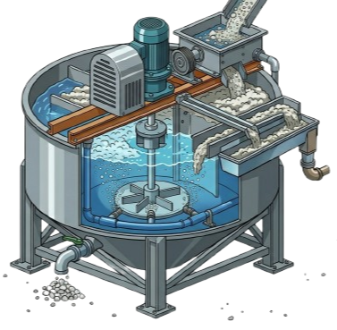

HOPPER |  | CONE CRUSHER |  | JAW CRUSHER


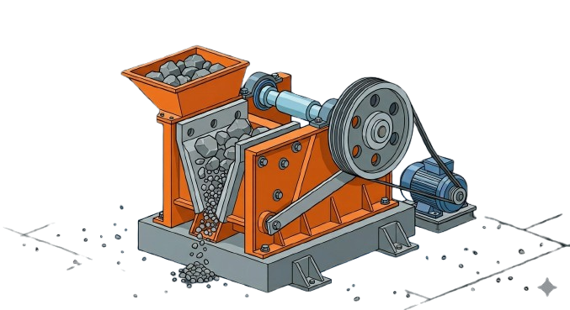
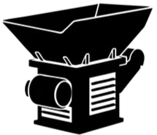

 |  |  | BELT CONVEYOR

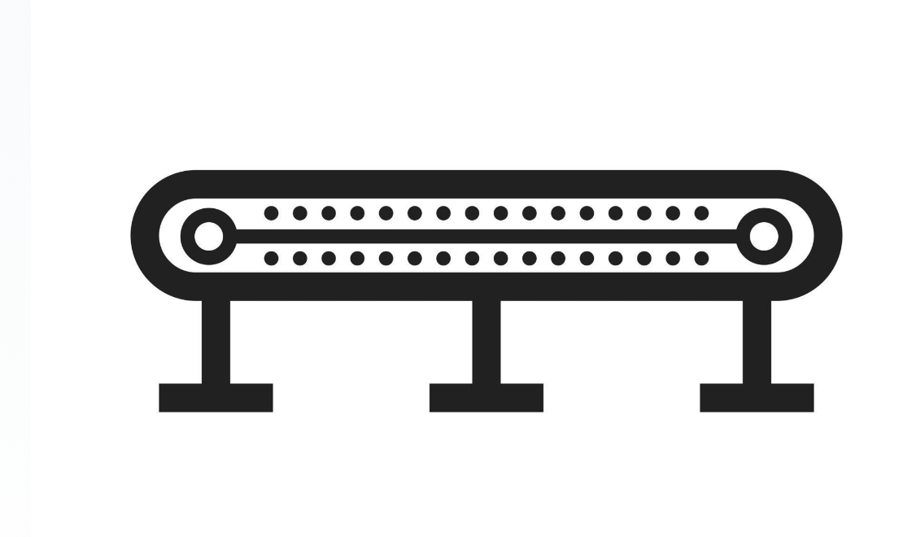

 | r

UJI COBA SANDIOS
BACK TO MAIN
LOG SHEET PENGUJIAN TITRASI SANDIOS
Date
PIC | Eka, Krisna, Stanley
PIC MET | Dyan bujanginam

Rumus Penentuan gram sandios:



No | Solutin(ml) | ppm | sandios(gr) | pH | Aktual Titration AgNO3 (ml) | ppm by calculation x 100 | PPM by sandios empiris | ppm * 4 | const by actual | const by empiris | const by x4
1 | 250 | 200 | 0.050 | 12 | 0.5 | 50 | 150 | 200 | 25 | 450 | 600
2 | 250 | 400 | 0.100 | 12 | 1 | 100 | 300 | 400 | 25 | 900 | 1200
3 | 250 | 600 | 0.150 | 12 | 1.5 | 150 | 450 | 600 | 25 | 1350 | 1800
4 | 250 | 800 | 0.200 | 12 | 1.8 | 180 | 540 | 720 | 22.5 | 1620 | 2160
5 | 250 | 1000 | 0.250 | 12 | 2.5 | 250 | 750 | 1000 | 25 | 2250 | 3000

No | Solutin(ml) | ppm | sandios(gr) | pH | Aktual Titration AgNO3 (ml) | ppm by calculation x 100 | PPM by sandios empiris | ppm * 4 | const by actual | const by empiris | const by x4
1 | 250 | 100 | 0.100 | 12 |  | 90 | 75 | 360 | 90 | 225 | 300
2 | 250 | 200 | 0.200 | 12 |  | 180 | 150 | 720 | 90 | 450 | 600
3 | 250 | 300 | 0.300 | 12 |  | 250 | 225 | 1000 | 83.333333333 | 675 | 900
4 | 250 | 400 | 0.400 | 12 |  | 350 | 300 | 1400 | 87.5 | 900 | 1200
5 | 250 | 500 | 0.500 | 12 |  | 400 | 375 | 1600 | 80 | 1125 | 1500

TESTWORK LEACHING & CIP
METALLURGICAL TESTWORK
 |  |  |  |  |  |  |  |  |  |  |  |  |  |  | no | METHOD STORE UNITS | Aqua Regia |  |  |  | CN Extraction
TEST BY | : | Eka Tumandulak |  |  |  |  |  |  |  |  |  |  |  |  |  | SAMPLE ID | Weight | Au | Ag | Cu | Weight | Au | Ag | Cu
TEST DESCRIPTION | : | Awal gw dateng cuma mau nyoba testwork |  |  |  |  |  |  |  |  |  |  |  |  |  |  | gram | ppm | ppm | ppm | gram | ppm | ppm | ppm
DATE | : | Rabu |  |  |  |  |  |  |  |  |  |  |  |  | 1 | TW HG STAN 1 | 30.012 | 1.175 | 0.9 | 10.26
ORE | : | Vein SR June 2026 |  |  |  |  |  |  |  |  |  |  |  |  | 2 | TW HG STAN 2 | 30.016 | 1.240 | 0.930 | 10.31
 |  |  |  |  |  |  |  |  |  |  |  |  |  |  | 3 | TW HG STAN 3 | 30.019 | 1.184 | 0.98 | 10.15
TestWork |  |  |  | Assay (PPM) |  |  |  |  | Reagen Consumptions |  |  |  |  |  | 4 | TW HG STAN 3-C | 30.018 | 1.217 | 0.93 | 10.33
pH | : | 11-11.5 |  |  | Au | Ag | Cu |  | Lime | 4.45 | kg/ton |  |  |  | 5 | TW SLT STAN 1 | 30.039 | 0.118 | 0.30 | 9.17
Sandios (PPM) | : | 1000 |  | Head Grade | 1.204 | 0.937 | 10.240 |  | Sandios | 1.47 | kg/ton |  |  |  | 6 | TW SLT STAN 2 | 30.015 | 0.136 | 0.37 | 9.191
%Solid | : | 40% |  | Tails | 0.130 | 0.328 | 9.148 |  | Floculant |  |  |  |  |  | 7 | TW SLT STAN 3 | 30.051 | 0.146 | 0.34 | 9.12
%75 micron | : | 80% |  |  |  |  |  |  |  |  |  |  |  |  | 8 | TW SLT STAN 3-C | 30.021 | 0.120 | 0.30 | 9.11
Dissolved Oxygen | : | - |  | Avg.Tails, ug | 131.56 |  |  |  |  |  |  |  |  |  | 9 | SLN 2 hr |  |  |  |  |  | 0.213
SG Ore | : | 2.1 |  | Calculated Head grade, ug | 986.584 |  |  |  |  |  |  |  |  |  | 10 | SLN 4 hr |  |  |  |  |  | 0.385
SG Slurry | : | 1.27 |  |  |  |  |  | 0.97488537549 |  |  |  |  |  |  | 11 | SLN 8 hr |  |  |  |  |  | 0.434
Carbon (gpl) | : | 2 |  |  |  |  |  |  |  |  |  |  |  |  | 12 | SLN 12 hr |  |  |  |  |  | 0.479
Leach Time | : | 48 |  | Carbon Head |  |  |  |  |  |  |  |  | 4 |  | 13 | SLN 24 hr |  |  |  |  |  | 0.031
Berat Vessel (gr) | : | 1290 |  | Carbon Assay After Leaching |  |  |  |  |  |  |  |  |  |  | 14 | SLN 48 hr |  |  |  |  |  | 0.026
Solid (gr) | : | 1012
Solution (ml) | : | 1518
Slurry (ml) | : | 2000
Final Residue (gr) | : | 1012

BACK TO MAIN
 |  | Leaching Monitoring |  |  |  |  |  |  |  |  |  |  |  |  |  | LEACH REACTOR |  |  |  | ASSAY SAMPLE |  |  |  | ASSAY RESULT |  |  |  |  |  |  |  |  | Au Contain ugram |  |  |  |  |  | Ag Content ugram |  |  |  |  |  | Cu Content ugram
 |  | Time | Reagen Addition |  |  | DO | Sandios (ppm) |  | pH |  | Berat Slurry |  | Vol Leach Reactor | Vol. Sampling Solution |  | SOLID | SOLUTION | CARBON |  | SOLID | SOLUTION | CARBON |  | Au |  |  | Ag |  |  | Cu |  |  | Leach Reactor |  | Assay Sample |  | Carbon |  | Leach Reactor |  | Assay Sample |  | Carbon |  | Leach Reactor |  | Assay Sample |  | Carbon
 |  |  |  |  |  |  |  |  |  |  |  |  |  |  |  |  |  |  |  |  |  |  |  | SOLID | SOLUTION | CARBON | SOLID | SOLUTION | CARBON | SOLID | SOLUTION | CARBON | Sld, ug | Sln,ug | Sld, ug | Sln, ug | Sld, ug | Sln, ug | Sld, ug | Sln,ug | Sld, ug | Sln, ug | Sld, ug | Sln, ug | Sld, ug | Sln,ug | Sld, ug | Sln, ug | Sld, ug | Sln, ug
 |  | Hours | Sandios (gr) | Lime (gr) | Carbon (gr) | ppm | Before | After | Before | After | Before | After | ml | ml |  | ml | gr | gr |  | gr | ml | gr
 |  | 0 | 1.52 | 2.4 |  |  | 0 | 1000 | 7.6 | 11.1 | 3835 | 3.835 | 2000 | 0 |  | 1012 | 1533 |  |  |  | 40 |  |  |  | 0.213 |  |  |  |  |  |  |  |  | 318.0 |  | 8.52
 | 4 | 2 |  | 0 |  |  |  | 720 | 11 | 11 | 3835 | 3.835 | 2000 | 40 |  |  | 1493 |  |  |  | 40 |  |  |  | 0.385 |  |  |  |  |  |  |  |  | 572.9 |  | 15.4
 | 4 | 4 |  | 0.4 |  |  |  | 640 | 10.8 | 11.1 | 3830 | 3.835 | 2000 | 40 |  |  | 1488 |  |  |  | 40 |  |  |  | 0.434 |  |  |  |  |  |  |  |  | 643.6 |  | 17.36
 | 4 | 8 |  | 0.3 |  |  |  | 520 | 10.9 | 11 | 3825 | 3.835 | 2000 | 40 |  |  | 1483 |  |  |  | 40 |  |  |  | 0.479 |  |  |  |  |  |  |  |  | 708.4 |  | 19.16
 | 4 | 12 |  | 0.5 | 4 |  |  | 440 | 10.7 | 11 | 3825 | 3.835 | 2000 | 40 |  |  | 1479 |  |  |  | 40 |  |  |  | 0.031 |  |  |  |  |  |  |  |  | 45.5 |  | 1.24
 |  | 24 |  | 0.9 |  |  |  | 320 | 10.4 | 11 | 3815 | 3.840 | 2000 | 40 |  |  | 1469 |  |  |  | 40 |  |  | 0.130 | 0.026 |  | 0.3275 |  |  | 9.148 |  |  | 131.56 | 38.3 |  | 1.04
 |  | 48 |  | 0 |  |  |  | 80 | 10.3 | 11 | 3820 | 3.840 | 2000 | 40 |  |  | 1474 |  |  | 1012 | 40 | 4 |  |  |  |  |  |  |  |  |  |  |  | 0.0 |  | 0
 |  | Total (gr) | 1.52 | 4.5 | 4
 |  | NaCN Final Solution (gr) | 0

 |  | metal content |  |  |  | metal extraction
 |  | ug |  |  |  | %
 |  | Au | Ag | Cu |  | Au | Ag | Cu
 |  | 326.529 |  |  |  | 33%
 |  | 596.8 |  |  |  | 60%
 |  | 684.902 |  |  |  | 69%
 |  | 768.881 |  |  |  | 78%
 |  | 815.66 |  |  |  | 83%
 |  | 855.024 |  |  |  | 87%

TESTWORK LEACHING & CIP (2)
METALLURGICAL TESTWORK
 |  |  |  |  |  |  |  |  |  |  |  |  |  |  | no | METHOD STORE UNITS | Aqua Regia |  |  |  | CN Extraction
TEST BY | : | Krisna |  |  |  |  |  |  |  |  |  |  |  |  |  | SAMPLE ID | Weight | Au | Ag | Cu | Weight | Au | Ag | Cu
TEST DESCRIPTION | : |  |  |  |  |  |  |  |  |  |  |  |  |  |  |  | gram | ppm | ppm | ppm | gram | ppm | ppm | ppm
DATE | : | Rabu |  |  |  |  |  |  |  |  |  |  |  |  | 1 | TW HG PUR 1 | 30.030 | 0.756 | 0.88 | 9.16
ORE | : | Vein SR June 2026 |  |  |  |  |  |  |  |  |  |  |  |  | 2 | TW HG PUR 2 | 30.01 | 0.785 | 0.880 | 9.01
 |  |  |  |  |  |  |  |  |  |  |  |  |  |  | 3 | TW HG PUR 3 | 30.02 | 0.779 | 0.85 | 9.22
TestWork |  |  |  | Assay (PPM) |  |  |  |  | Reagen Consumptions |  |  |  |  |  | 4 | TW HG PUR 3-C | 3.040 | 0.774 | 0.86 | 9.19
pH | : | 11-11.5 |  |  | Au | Ag | Cu |  | Lime | 5.04 | kg/ton |  |  |  | 5 | TW SLT PUR 1 | 30.070 | 0.137 | 0.58 | 8.35
Sandios (PPM) | : | 1000 |  | Head Grade | 0.7735 | 0.8675 | 9.145 |  | Sandios | 1.44 | kg/ton |  |  |  | 6 | TW SLT PUR 2 | 30.051 | 0.138 | 0.53 | 8.410
%Solid | : | 40% |  | Tails | 0.134 | 0.545 | 8.3025 |  | Floculant |  |  |  |  |  | 7 | TW SLT PUR 3 | 30.022 | 0.125 | 0.55 | 8.23
%75 micron | : | 80% |  |  |  |  |  |  |  |  |  |  |  |  | 8 | TW SLT PUR 3-C | 30.01 | 0.136 | 0.52 | 8.22
Dissolved Oxygen | : | - |  | Avg.Tails, ug | 135.608 |  |  |  |  |  |  |  |  |  | 9 | SLN 2 hr |  |  |  |  |  | 0.140
SG Ore | : | 2.1 |  | Calculated Head grade, ug | 742.507 |  |  |  |  |  |  |  |  |  | 10 | SLN 4 hr |  |  |  |  |  | 0.227
SG Slurry | : | 1.27 |  |  |  |  |  |  |  |  |  |  |  |  | 11 | SLN 8 hr |  |  |  |  |  | 0.255
Carbon (gpl) | : | 2 |  |  |  |  |  |  |  |  |  |  |  |  | 12 | SLN 12 hr |  |  |  |  |  | 0.302
Leach Time | : | 48 |  | Carbon Head |  |  |  |  |  |  |  |  |  |  | 13 | SLN 24 hr |  |  |  |  |  | 0.043
Berat Vessel (gr) | : | 1280 |  | Carbon Assay After Leaching |  |  |  |  |  |  |  |  |  |  | 14 | SLN 48 hr |  |  |  |  |  | 0.028
Solid (gr) | : | 1012
Solution (ml) | : | 1518
Slurry (ml) | : | 2000
Final Residue (gr) | : | 1012

BACK TO MAIN
 |  | Leaching Monitoring |  |  |  |  |  |  |  |  |  |  |  |  |  | LEACH REACTOR |  |  |  | ASSAY SAMPLE |  |  |  | ASSAY RESULT |  |  |  |  |  |  |  |  | Au Contain ugram
 |  | Time | Reagen Addition |  |  | DO | Sandios (ppm) |  | pH |  | Berat Slurry |  | Vol Leach Reactor | Vol. Sampling Solution |  | SOLID | SOLUTION | CARBON |  | SOLID | SOLUTION | CARBON |  | Au |  |  | Ag |  |  | Cu |  |  | Leach Reactor |  | Assay Sample |  | Carbon
 |  |  |  |  |  |  |  |  |  |  |  |  |  |  |  |  |  |  |  |  |  |  |  | SOLID | SOLUTION | CARBON | SOLID | SOLUTION | CARBON | SOLID | SOLUTION | CARBON | Sld, ug | Sln,ug | Sld, ug | Sln, ug | Sld, ug | Sln, ug
 |  | Hours | Sandios (gr) | Lime (gr) | Carbon (gr) | ppm | Before | After | Before | After | Before | After | ml | ml |  | ml | gr | gr |  | gr | ml | gr
 |  | 0 | 1.52 | 2.3 |  |  | 0 | 1000 | 7.6 | 11.1 | 3820 | 3.820 | 2000 |  |  | 1012 | 1528 |  |  |  | 40 |  |  |  | 0.140 |  |  |  |  |  |  |  |  | 212.5 |  | 5.6
 |  | 2 |  | 0.8 |  |  |  | 750 | 11 | 11 | 3810 | 3.820 | 2000 | 40 |  |  | 1518 |  |  |  | 40 |  |  |  | 0.227 |  |  |  |  |  |  |  |  | 343.5 |  | 9.08
 |  | 4 |  | 0 |  |  |  | 540 | 10.8 | 11.1 | 3805 | 3.820 | 2000 | 40 |  |  | 1513 |  |  |  | 40 |  |  |  | 0.255 |  |  |  |  |  |  |  |  | 384.5 |  | 10.2
 |  | 8 |  | 1 |  |  |  | 510 | 10.9 | 11 | 3800 | 3.820 | 2000 | 40 |  |  | 1508 |  |  |  | 40 |  |  |  | 0.302 |  |  |  |  |  |  |  |  | 458.4 |  | 12.08
 |  | 12 |  | 0 | 4 |  |  | 480 | 10.7 | 11 | 3810 | 3.820 | 2000 | 40 |  |  | 1518 |  |  |  | 40 |  |  |  | 0.043 |  |  |  |  |  |  |  |  | 64.2 |  | 1.72
 |  | 24 |  | 1 |  |  |  | 450 | 10.4 | 11 | 3785 | 3.935 | 2000 | 40 |  |  | 1493 |  |  |  | 40 |  |  | 0.134 | 0.028 |  | 0.545 |  |  | 8.3025 |  |  | 135.608 | 44.5 |  | 1.12
 |  | 48 |  | 0 |  |  |  | 270 | 10.3 | 11 | 3880 | 0.000 | 2000 | 40 |  |  | 1588 |  |  | 1012 | 40 | 4 |  |  | 0
 |  | Total (gr) | 1.52 | 5.1 | 4
 |  | NaCN Final Solution (gr) | 0

 |  | metal content |  |  |  | metal extraction
 |  | ug |  |  |  | %
 |  | Au | Ag | Cu |  | Au | Ag | Cu
 |  | 218.12 |  |  |  | 29%
 |  | 358.131 |  |  |  | 48%
 |  | 409.42 |  |  |  | 55%
 |  | 495.396 |  |  |  | 67%
 |  | 561.315 |  |  |  | 76%
 |  | 606.899 |  |  |  | 82%

CIP VARIASI PH 8-9
METALLURGICAL TESTWORK
 |  |  |  |  |  |  |  |  |  |  |  |  |  |  |  | no | METHOD STORE UNITS | Aqua Regia |  |  |  | CN Extraction
TEST BY | : | STANLEY |  |  |  |  |  |  |  |  |  |  |  |  |  |  | SAMPLE ID | Weight | Au | Ag | Cu | Weight | Au | Ag | Cu
TEST DESCRIPTION | : | Variasi pH 8-9 |  |  |  |  |  |  |  |  |  |  |  | 3.82 |  |  |  | gram | ppm | ppm | ppm | gram | ppm | ppm | ppm
DATE | : | Sabtu, 27 June 2026 |  |  |  |  |  |  |  |  |  |  |  |  |  | 1 | TW HG CRUSHER C1 | 30.032 | 1.479 | 1.585 | 20.662
ORE | : | Vein SR June 2026 |  |  |  |  |  |  |  |  |  |  |  |  |  | 2 | TW HG CRUSHER C2 | 30.004 | 1.396 | 1.670 | 20.328
 |  |  |  |  |  |  |  |  |  |  |  |  |  |  |  | 3 | TW HG CRUSHER C3 | 3.02 | 1.469 | 1.496 | 18.036
TestWork |  |  |  | Assay (PPM) |  |  |  |  | Reagen Consumptions |  |  |  |  |  |  | 4 | TW HG CRUSHER C3-C | 30.037 | 1.238 | 1.555 | 18.904
pH | : | 8.0 - 9.0 |  |  | Au | Ag | Cu |  | Lime | 0.00 | kg/ton |  |  |  |  | 5 | TW SLT CRUSHER C1 | 30.020 | 0.297 | 1.092 | 17.891
Sandios (PPM) | : | 1000 |  | Head Grade | 1.3955 | 1.5765 | 19.4825 |  | Sandios | 1.48 | kg/ton |  |  |  |  | 6 | TW SLT CRUSHER C2 | 30.042 | 0.299 | 0.974 | 15.980
%Solid | : | 40% |  | Tails | 0.2555 | 1.0385 | 15.62 |  | Floculant |  |  |  |  |  |  | 7 | TW SLT CRUSHER C3 | 30.046 | 0.193 | 1.077 | 14.631
%75 micron | : | 80% |  |  |  |  |  |  |  |  |  |  |  |  |  | 8 | TW SLT CRUSHER C3-C | 30.037 | 0.233 | 1.011 | 13.978
Dissolved Oxygen | : | - |  | Avg.Tails, ug | 258.566 |  |  |  |  |  |  |  |  |  |  | 9 | SLN 2 hr |  |  |  |  |  | 0.145
SG Ore | : | 2.1 |  | Calculated Head grade, ug | 533.636 |  |  |  |  |  |  |  |  |  |  | 10 | SLN 4 hr |  |  |  |  |  | 0.162
SG Slurry | : | 1.27 |  |  |  |  |  |  |  |  |  |  |  |  |  | 11 | SLN 8 hr |  |  |  |  |  | 0.175
Carbon (gpl) | : | 2 |  |  |  |  |  |  |  |  |  |  |  |  |  | 12 | SLN 12 hr |  |  |  |  |  | 0
Leach Time | : | 48 |  | Carbon Head |  |  |  |  |  |  |  |  |  |  |  | 13 | SLN 24 hr |  |  |  |  |  | 0.169
Berat Vessel (gr) | : | 1290 |  | Carbon Assay After Leaching |  |  |  |  |  |  |  |  |  |  |  | 14 | SLN 48 hr |  |  |  |  |  | 0.011
Solid (gr) | : | 1012
Solution (ml) | : | 1518
Slurry (ml) | : | 2000
Final Residue (gr) | : | 1012

BACK TO MAIN
 |  | Leaching Monitoring |  |  |  |  |  |  |  |  |  |  |  |  |  |  | LEACH REACTOR |  |  |  | ASSAY SAMPLE |  |  |  | ASSAY RESULT |  |  |  |  |  |  |  |  | Au Contain ugram
 |  | Time | Reagen Addition |  |  | DO | Sandios (ppm) |  | pH |  | Berat Slurry |  | Vol Leach Reactor |  | Vol. Sampling Solution |  | SOLID | SOLUTION | CARBON |  | SOLID | SOLUTION | CARBON |  | Au |  |  | Ag |  |  | Cu |  |  | Leach Reactor |  | Assay Sample |  | Carbon
 |  |  |  |  |  |  |  |  |  |  |  |  |  |  |  |  |  |  |  |  |  |  |  |  | SOLID | SOLUTION | CARBON | SOLID | SOLUTION | CARBON | SOLID | SOLUTION | CARBON | Sld, ug | Sln,ug | Sld, ug | Sln, ug | Sld, ug | Sln, ug
 |  | Hours | Sandios (gr) | Lime (gr) | Carbon (gr) | ppm | Before | After | Before | After | Before | After | ml |  | ml |  | ml | gr | gr |  | gr | ml | gr
 |  | 0 | 1.52 | 0 |  |  | 0 | 1000 | 0 | 8.9 | 3820 | 3820 | 2000 |  |  |  | 1012 | 1518 |  |  |  | 40 |  |  |  | 0.145 |  |  |  |  |  |  |  |  | 211.3 |  | 5.8
 |  | 2 |  | 0 |  |  |  | 20 |  | 8.6 | 3759 | 3820 | 2000 |  | 40 |  |  | 1457 |  |  |  | 40 |  |  |  | 0.162 |  |  |  |  |  |  |  |  | 231.3 |  | 6.48
 |  | 4 |  |  |  |  |  | 5 |  | 8.6 | 3730 | 3820 | 2000 |  | 40 |  |  | 1428 |  |  |  | 40 |  |  |  | 0.175 |  |  |  |  |  |  |  |  | 241.1 |  | 7
 |  | 8 |  | 0 |  |  |  | 5 |  | 8.9 | 3680 | 3820 | 2000 |  | 40 |  |  | 1378 |  |  |  | 40 |  |  |  | 0 |  |  |  |  |  |  |  |  | 0.0 |  | 0
 |  | 12 |  |  |  |  |  |  |  |  |  |  | 2000 |  | 40 |  |  |  |  |  |  | 40 |  |  |  | 0.169 |  |  |  |  |  |  |  |  | 232.9 |  | 6.76
 |  | 24 |  | 0 | 4 |  |  | 5 |  | 8.9 | 3680 | 3820 | 2000 |  | 40 |  |  | 1378 |  |  |  | 40 |  |  | 0.2555 | 0.011 |  | 1.0385 |  |  | 15.62 |  |  | 258.566 | 15.7 |  | 0.44
 |  | 48 |  | 0 |  |  |  | 5 |  | 8 | 3730 |  | 2000 |  | 40 |  |  | 1428 |  |  | 1012 | 40 | 0
 |  | Total (gr) | 1.52 | 0 | 4
 |  | NaCN Final Solution (gr) | 0

 |  | metal content |  |  |  | metal extraction |  |  |  | RECOVERY TANPA CALCULATE
 |  | ug |  |  |  | % |  |  |  | 82%
 |  | Au | Ag | Cu |  | Au | Ag | Cu
 |  | 217.065 |  |  |  | 41%
 |  | 243.616 |  |  |  | 46%
 |  | 260.43 |  |  |  | 49%
 |  | 19.28 |  |  |  | 4%
 |  | 258.922 |  |  |  | 49%
 |  | 275.07 |  |  |  | 52%

TW CIP SMBS-1
METALLURGICAL TESTWORK

TEST BY | : | GERAL |  |  |  |  |  |  |  |  |  |  |  |  | no | METHOD STORE UNITS | Aqua Regia |  |  |  | CN Extraction
TEST DESCRIPTION | : | ORE BARU UJI SMBS |  |  |  |  |  |  |  |  |  |  |  |  |  | SAMPLE ID | Weight | Au | Ag | Cu | Weight | Au | Ag | Cu
DATE | : | Sabtu, 27 June 2026 |  |  |  |  |  |  |  |  |  |  |  |  |  |  | gram | ppm | ppm | ppm | gram | ppm | ppm | ppm
ORE | : | Vein SR June 2026 |  |  |  |  |  |  |  |  |  |  |  |  | 1 | TW HG CRUSHER A 1 | 30.050 | 1.688 | 1.456 | 25.547
 |  |  |  |  |  |  |  |  |  |  |  |  |  |  | 2 | TW HG CRUSHER A 2 | 3.014 | 1.264 | 3.466 | 26.229
TestWork |  |  |  | Assay (PPM) |  |  |  |  | Reagen Consumptions |  |  |  |  |  | 3 | TW HG CRUSHER A 3 | 3.026 | 1.120 | 3.406 | 28.253
pH | : | 11-11.5 |  |  | Au | Ag | Cu |  | Lime | 8.40 | kg/ton |  |  |  | 4 | TW HG CRUSHER A 3-C | 30.032 | 1.326 | 2.626 | 26.076
Sandios (PPM) | : | 1000 |  | Head Grade | 1.3495 | 2.7385 | 26.52625 |  | Sandios | 1.42 | kg/ton |  |  |  | 5 | TW SLT CRUSHER A 1 | 30.048 | 0.147 | 0.605 | 25.191
%Solid | : | 40% |  | Tails | 0.1725 | 0.79625 | 24.89425 |  | Floculant |  |  |  |  |  | 6 | TW SLT CRUSHER A 2 | 30.026 | 0.215 | 0.681 | 23.955
%75 micron | : | 80% |  |  |  |  |  |  |  |  |  |  |  |  | 7 | TW SLT CRUSHER A 3 | 30.014 | 0.173 | 1.251 | 25.386
Dissolved Oxygen | : | - |  | Avg.Tails, ug | 174.57 |  |  |  |  |  |  |  |  |  | 8 | TW SLT CRUSHER A 3-C | 30.047 | 0.155 | 0.648 | 25.045
SG Ore | : | 2.1 |  | Calculated Head grade, ug | 1138.857 |  |  |  |  |  |  |  |  |  | 9 | SLN 2 hr |  |  |  |  |  | 0.252
SG Slurry | : | 1.27 |  |  |  |  |  |  |  |  |  |  |  |  | 10 | SLN 4 hr |  |  |  |  |  | 0.385
Carbon (gpl) | : | 2 |  |  |  |  |  |  |  |  | 0.86923076923 |  |  |  | 11 | SLN 8 hr |  |  |  |  |  | 0.389
Leach Time | : | 48 |  | Carbon Head |  |  |  |  |  |  |  |  |  |  | 12 | SLN 12 hr |  |  |  |  |  | 0.387
Berat Vessel (gr) | : | 1280 |  | Carbon Assay After Leaching |  |  |  |  |  |  |  |  |  |  | 13 | SLN 24 hr |  |  |  |  |  | 0.075
Solid (gr) | : | 1012 |  |  |  |  |  |  |  |  |  |  |  |  | 14 | SLN 48 hr |  |  |  |  |  | 0.142
Solution (ml) | : | 1518
Slurry (ml) | : | 2000
Final Residue (gr) | : | 1012

BACK TO MAIN
 |  | Leaching Monitoring |  |  |  |  |  |  |  |  |  |  |  |  |  | LEACH REACTOR |  |  |  | ASSAY SAMPLE |  |  |  | ASSAY RESULT |  |  |  |  |  |  |  |  | Au Contain ugram
 |  | Time | Reagen Addition |  |  | DO | Sandios (ppm) |  | pH |  | Berat Slurry |  | Vol Leach Reactor | Vol. Sampling Solution |  | SOLID | SOLUTION | CARBON |  | SOLID | SOLUTION | CARBON |  | Au |  |  | Ag |  |  | Cu |  |  | Leach Reactor |  | Assay Sample |  | Carbon
 |  |  |  |  |  |  |  |  |  |  |  |  |  |  |  |  |  |  |  |  |  |  |  | SOLID | SOLUTION | CARBON | SOLID | SOLUTION | CARBON | SOLID | SOLUTION | CARBON | Sld, ug | Sln,ug | Sld, ug | Sln, ug | Sld, ug | Sln, ug
 |  | Hours | Sandios (gr) | Lime (gr) | Carbon (gr) | ppm | Before | After | Before | After | Before | After | ml | ml |  | ml | gr | gr |  | gr | ml | gr
 |  | 0 | 1.52 | 5 |  |  | 0 | 1000 | 7.4 | 11.5 | 3785 | 3.785 | 2000 |  |  | 1012 | 1493 |  |  |  | 40 |  |  |  | 0.252 |  |  |  |  |  |  |  |  | 375.0 |  | 10.08
 |  | 2 |  | 0 |  |  |  | 800 | 11.3 | 11.3 | 3780 | 3.785 | 2000 | 40 |  |  | 1488 |  |  |  | 40 |  |  |  | 0.385 |  |  |  |  |  |  |  |  | 572.9 |  | 15.4
 |  | 4 |  | 0 |  |  |  | 720 | 11.1 | 11.1 | 3780 | 3.785 | 2000 | 40 |  |  | 1488 |  |  |  | 40 |  |  |  | 0.389 |  |  |  |  |  |  |  |  | 576.9 |  | 15.56
 |  | 8 |  | 1 |  |  |  | 640 | 10.8 | 11.4 | 3775 | 3.785 | 2000 | 40 |  |  | 1483 |  |  |  | 40 |  |  |  | 0.387 |  |  |  |  |  |  |  |  | 575.9 |  | 15.48
 |  | 12 |  | 0 | 4 |  |  | 600 | 11.1 | 11.1 | 3780 | 3.790 | 2000 | 40 |  |  | 1488 |  |  |  | 40 |  |  |  | 0.075 |  |  |  |  |  |  |  |  | 111.2 |  | 3
 |  | 24 |  | 1 |  |  |  | 520 | 10.8 | 11.5 | 3775 | 3.790 | 2000 | 40 |  |  | 1483 |  |  |  | 40 |  |  | 0.1725 | 0.142 |  | 0.79625 |  |  | 24.89425 |  |  | 174.57 | 212.0 |  | 5.68
 |  | 48 |  | 1.5 |  |  |  | 400 | 10.9 | 11.5 | 3785 | 3.790 | 2000 | 40 |  |  | 1493 |  |  | 1012 | 40 | 4
 |  | Total (gr) | 1.52 | 8.5 | 4
 |  | NaCN Final Solution (gr) | 0

 |  | metal content |  |  |  | metal extraction |  |  |  |  |  |  |  |  |  | SETELAH 48 LEACHING
 |  | ug |  |  |  | % |  |  |  |  |  |  |  |  |  | UJI | SANDIOS | pH
 |  | Au | Ag | Cu |  | Au | Ag | Cu |  |  |  |  |  |  |  | MINUTES
 |  | 385.056 |  |  |  | 34% |  |  |  |  |  |  |  |  |  | 15 | 320 | 11.4
 |  | 598.36 |  |  |  | 53% |  |  |  |  |  |  |  |  |  | 30 | 280 | 10.7
 |  | 617.927 |  |  |  | 54% |  |  |  |  |  |  |  |  |  | 45 | 280 | 10.7
 |  | 632.376 |  |  |  | 56% |  |  |  |  |  |  |  |  |  | 60 | 280 | 10.7
 |  | 746.601 |  |  |  | 66% |  |  |  |  |  |  |  |  |  | 75 | 280 | 10.7
 |  | 964.287 |  |  |  | 85% |  |  |  |  |  |  |  |  |  | 90 | 280 | 10.7
 |  |  |  |  |  |  |  |  |  |  |  |  |  |  |  | 105 | 280 | 10.7
 |  |  |  |  |  |  |  |  |  |  |  |  |  |  |  | 120 | 280 | 10.7

TW CIP SMBS-2
METALLURGICAL TESTWORK

TEST BY | : | KRISNA N EKA |  |  |  |  |  |  |  |  |  |  |  |  |  | no | METHOD STORE UNITS | Aqua Regia |  |  |  | CN Extraction
TEST DESCRIPTION | : | ORE BARU UJI SMBS |  |  |  |  |  |  |  |  |  |  |  |  |  |  | SAMPLE ID | Weight | Au | Ag | Cu | Weight | Au | Ag | Cu
DATE | : | Sabtu, 27 June 2026 |  |  |  |  |  |  |  |  |  |  |  |  |  |  |  | gram | ppm | ppm | ppm | gram | ppm | ppm | ppm
ORE | : | Vein SR June 2026 |  |  |  |  |  |  |  |  |  |  |  |  |  | 1 | TW HG CRUSHER B 1 | 3.014 | 2.621 | 2.054 | 27.120
 |  |  |  |  |  |  |  |  |  |  |  |  |  |  |  | 2 | TW HG CRUSHER B 2 | 30.023 | 1.798 | 1.480 | 24.079
TestWork |  |  |  | Assay (PPM) |  |  |  |  | Reagen Consumptions |  |  |  |  |  |  | 3 | TW HG CRUSHER B 3 | 30.027 | 1.687 | 1.443 | 22.914
pH | : | 11-11.5 |  |  | Au | Ag | Cu |  | Lime | 8.40 | kg/ton |  |  |  |  | 4 | TW HG CRUSHER B 3-C | 30.049 | 1.658 | 1.490 | 22.749
Sandios (PPM) | : | 1000 |  | Head Grade | 1.941 | 1.61675 | 24.2155 |  | Sandios | 1.42 | kg/ton |  |  |  |  | 5 | TW SLT CRUSHER B 1 | 30.009 | 0.590 | 0.713 | 20.599
%Solid | : | 40% |  | Tails | 0.437 | 0.6735 | 19.25425 |  | Floculant |  |  |  |  |  |  | 6 | TW SLT CRUSHER B 2 | 30.020 | 0.355 | 0.755 | 20.737
%75 micron | : | 80% |  |  |  |  |  |  |  |  |  |  |  |  |  | 7 | TW SLT CRUSHER B 3 | 30.047 | 0.404 | 0.611 | 18.167
Dissolved Oxygen | : | - |  | Avg.Tails, ug | 442.244 |  |  |  |  |  |  |  |  |  |  | 8 | TW SLT CRUSHER B 3-C | 30.027 | 0.399 | 0.615 | 17.514
SG Ore | : | 2.1 |  | Calculated Head grade, ug | 1677.16 |  |  |  |  |  |  |  |  |  |  | 9 | SLN 2 hr |  |  |  |  |  | 0.291
SG Slurry | : | 1.27 |  |  |  |  |  |  |  |  |  |  |  |  |  | 10 | SLN 4 hr |  |  |  |  |  | 0.309
Carbon (gpl) | : | 2 |  |  |  |  |  |  |  |  |  |  |  |  |  | 11 | SLN 8 hr |  |  |  |  |  | 0.601
Leach Time | : | 48 |  | Carbon Head |  |  |  |  |  |  |  |  |  |  |  | 12 | SLN 12 hr |  |  |  |  |  | 0.643
Berat Vessel (gr) | : | 1280 |  | Carbon Assay After Leaching |  |  |  |  |  |  |  |  |  |  |  | 13 | SLN 24 hr |  |  |  |  |  | 0.105
Solid (gr) | : | 1012 |  |  |  |  |  |  |  |  |  |  |  |  |  | 14 | SLN 48 hr |  |  |  |  |  | 0.029
Solution (ml) | : | 1518
Slurry (ml) | : | 2000
Final Residue (gr) | : | 1012

BACK TO MAIN
 |  | Leaching Monitoring |  |  |  |  |  |  |  |  |  |  |  |  |  |  | LEACH REACTOR |  |  |  | ASSAY SAMPLE |  |  |  | ASSAY RESULT |  |  |  |  |  |  |  |  | Au Contain ugram
 |  | Time | Reagen Addition |  |  | DO | Sandios (ppm) |  | pH |  | Berat Slurry |  | Vol Leach Reactor |  | Vol. Sampling Solution |  | SOLID | SOLUTION | CARBON |  | SOLID | SOLUTION | CARBON |  | Au |  |  | Ag |  |  | Cu |  |  | Leach Reactor |  | Assay Sample |  | Carbon
 |  |  |  |  |  |  |  |  |  |  |  |  |  |  |  |  |  |  |  |  |  |  |  |  | SOLID | SOLUTION | CARBON | SOLID | SOLUTION | CARBON | SOLID | SOLUTION | CARBON | Sld, ug | Sln,ug | Sld, ug | Sln, ug | Sld, ug | Sln, ug
 |  | Hours | Sandios (gr) | Lime (gr) | Carbon (gr) | ppm | Before | After | Before | After | Before | After | ml |  | ml |  | ml | gr | gr |  | gr | ml | gr
 |  | 0 | 1.52 | 5 |  |  | 0 | 1000 | 7.4 | 11.5 | 3785 | 3.785 | 2000 |  |  |  | 1012 | 1493 |  |  |  | 40 |  |  |  | 0.291 |  |  |  |  |  |  |  |  | 433.0 |  | 11.64
 |  | 2 |  | 0 |  |  |  | 800 | 11.3 | 11.3 | 3780 | 3.785 | 2000 |  | 40 |  |  | 1488 |  |  |  | 40 |  |  |  | 0.309 |  |  |  |  |  |  |  |  | 459.8 |  | 12.36
 |  | 4 |  | 0 |  |  |  | 720 | 11.1 | 11.1 | 3780 | 3.785 | 2000 |  | 40 |  |  | 1488 |  |  |  | 40 |  |  |  | 0.601 |  |  |  |  |  |  |  |  | 891.3 |  | 24.04
 |  | 8 |  | 1 |  |  |  | 640 | 10.8 | 11.4 | 3775 | 3.785 | 2000 |  | 40 |  |  | 1483 |  |  |  | 40 |  |  |  | 0.643 |  |  |  |  |  |  |  |  | 956.8 |  | 25.72
 |  | 12 |  | 0 | 4 |  |  | 600 | 11.1 | 11.1 | 3780 | 3.790 | 2000 |  | 40 |  |  | 1488 |  |  |  | 40 |  |  |  | 0.105 |  |  |  |  |  |  |  |  | 155.7 |  | 4.2
 |  | 24 |  | 1 |  |  |  | 520 | 10.8 | 11.5 | 3775 | 3.790 | 2000 |  | 40 |  |  | 1483 |  |  |  | 40 |  |  | 0.437 | 0.029 |  | 0.6735 |  |  | 19.25425 |  |  | 442.244 | 43.3 |  | 1.16
 |  | 48 |  | 1.5 |  |  |  | 400 | 10.9 | 11.5 | 3785 | 3.790 | 2000 |  | 40 |  |  | 1493 |  |  | 1012 | 40 | 4
 |  | Total (gr) | 1.52 | 8.5 | 4
 |  | NaCN Final Solution (gr) | 0

 |  | metal content |  |  |  | metal extraction
 |  | ug |  |  |  | % |  |  |  |  |  |  | UJI | SANDIOS | pH
 |  | Au | Ag | Cu |  | Au | Ag | Cu |  |  |  |  | MINUTES
 |  | 444.648 |  |  |  | 27% |  |  |  |  |  |  | 15 | 320 | 11.4
 |  | 483.792 |  |  |  | 29% |  |  |  |  |  |  | 30 | 280 | 10.7
 |  | 939.323 |  |  |  | 56% |  |  |  |  |  |  | 45 | 280 | 10.7
 |  | 1030.544 |  |  |  | 61% |  |  |  |  |  |  | 60 | 280 | 10.7
 |  | 1190.459 |  |  |  | 71% |  |  |  |  |  |  | 75 | 280 | 10.7
 |  | 1234.916 |  |  |  | 74% |  |  |  |  |  |  | 90 | 280 | 10.7
 |  |  |  |  |  |  |  |  |  |  |  |  | 105 | 280 | 10.7
 |  |  |  |  |  |  |  |  |  |  |  |  | 120 | 280 | 10.7

CIP VARIASI PH 8-9 (RETEST)
METALLURGICAL TESTWORK

TEST BY | : | GERAL |  |  |  |  |  |  |  |  |  |  |  |  | no | METHOD STORE UNITS | Aqua Regia |  |  |  | CN Extraction
TEST DESCRIPTION | : | UJI COBA KEDUA KALI PH 8-9 |  |  |  |  |  |  |  |  |  |  |  |  |  | SAMPLE ID | Weight | Au | Ag | Cu | Weight | Au | Ag | Cu
DATE | : | Sabtu, 27 June 2026 |  |  |  |  |  |  |  |  |  |  |  |  |  |  | gram | ppm | ppm | ppm | gram | ppm | ppm | ppm
ORE | : | Vein SR June 2026 |  |  |  |  |  |  |  |  |  |  |  |  | 1 | TW HG SR D 1 | 30.012 | 0.875 | 1.32 | 0.670
 |  |  |  |  |  |  |  |  |  |  |  |  |  |  | 2 | TW HG SR D 2 | 30.024 | 0.866 | 1.270 | 0.63
TestWork |  |  |  | Assay (PPM) |  |  |  |  | Reagen Consumptions |  |  |  |  |  | 3 | TW HG SR D 3 | 30.009 | 0.846 | 1.37 | 0.69
pH | : | 8-9 |  |  | Au | Ag | Cu |  | Lime | 0.00 | kg/ton |  |  |  | 4 | TW HG SR D 3-C | 30.017 | 0.842 | 1.380 | 0.69
Sandios (PPM) | : | 1000 |  | Head Grade | 0.85725 | 1.335 | 0.67 |  | Sandios | 1.48 | kg/ton |  |  |  | 5 | TW SLT SR D 1 | 30.008 | 0.084 | 0.3 | 8.37
%Solid | : | 40% |  | Tails | 0.08825 | 0.33666666667 | 8.2 |  | Floculant |  |  |  |  |  | 6 | TW SLT SR D 2 | 30.040 | 0.082 | 0.37 | 8.190
%75 micron | : | 80% |  |  |  |  |  |  |  |  |  |  |  |  | 7 | TW SLT SR D 3 | 30.040 | 0.089 | 0.34 | 8.04
Dissolved Oxygen | : | - |  | Avg.Tails, ug | 89.309 | Error Calculate |  |  |  |  |  |  |  |  | 8 | TW SLT SR D 3-C | 30.022 | 0.098
SG Ore | : | 2.1 |  | Calculated Head grade, ug | 812.629 | 5.21% |  |  |  |  |  |  |  |  | 9 | SLN 2 hr |  |  |  |  |  | 0.195
SG Slurry | : | 1.27 |  |  |  |  |  |  |  |  |  |  |  |  | 10 | SLN 4 hr |  |  |  |  |  | 0.219
Carbon (gpl) | : | 2 |  |  |  |  |  |  |  |  |  |  |  |  | 11 | SLN 8 hr |  |  |  |  |  | 0.225
Leach Time | : | 48 |  | Carbon Head |  |  |  |  |  |  |  |  |  |  | 12 | SLN 12 hr |  |  |  |  |  | 0.222
Berat Vessel (gr) | : | 1290 |  | Carbon Assay After Leaching |  |  |  |  |  |  |  |  |  |  | 13 | SLN 24 hr |  |  |  |  |  | 0.210
Solid (gr) | : | 1012 |  |  |  |  |  |  |  |  |  |  |  |  | 14 | SLN 48 hr |  |  |  |  |  | 0.013
Solution (ml) | : | 1518
Slurry (ml) | : | 2000
Final Residue (gr) | : | 1012

BACK TO MAIN
 |  | Leaching Monitoring |  |  |  |  |  |  |  |  |  |  |  |  |  | LEACH REACTOR |  |  |  | ASSAY SAMPLE |  |  |  | ASSAY RESULT |  |  |  |  |  |  |  |  | Au Contain ugram
 |  | Time | Reagen Addition |  |  | DO | Sandios (ppm) |  | pH |  | Berat Slurry |  | Vol Leach Reactor | Vol. Sampling Solution |  | SOLID | SOLUTION | CARBON |  | SOLID | SOLUTION | CARBON |  | Au |  |  | Ag |  |  | Cu |  |  | Leach Reactor |  | Assay Sample |  | Carbon
 |  |  |  |  |  |  |  |  |  |  |  |  |  |  |  |  |  |  |  |  |  |  |  | SOLID | SOLUTION | CARBON | SOLID | SOLUTION | CARBON | SOLID | SOLUTION | CARBON | Sld, ug | Sln,ug | Sld, ug | Sln, ug | Sld, ug | Sln, ug
 |  | Hours | Sandios (gr) | Lime (gr) | Carbon (gr) | ppm | Before | After | Before | After | Before | After | ml | ml |  | ml | gr | gr |  | gr | ml | gr
 |  | 0 | 1.52 | 0 |  |  | 0 | 40 |  | 8 | 3830 | 3840 | 2000 |  |  | 1012 | 1528 |  |  |  | 40 |  |  |  | 0.195 |  |  |  |  |  |  |  |  | 298.9 |  | 7.8
 |  | 2 |  | 0 |  |  |  | 40 |  | 8 | 3835 | 3840 | 2000 | 40 |  |  | 1533 |  |  |  | 40 |  |  |  | 0.219 |  |  |  |  |  |  |  |  | 334.6 |  | 8.76
 |  | 4 |  | 0 |  |  |  | 40 |  | 8 | 3830 | 3840 | 2000 | 40 |  |  | 1528 |  |  |  | 40 |  |  |  | 0.225 |  |  |  |  |  |  |  |  | 343.8 |  | 9
 |  | 8 |  | 0 |  |  |  | 40 |  | 7 | 3830 | 3840 | 2000 | 40 |  |  | 1528 |  |  |  | 40 |  |  |  | 0.222 |  |  |  |  |  |  |  |  | 339.2 |  | 8.88
 |  | 12 |  | 0 | 2 |  |  | 40 |  | 7 | 3830 | 3845 | 2000 | 40 |  |  | 1528 |  |  |  | 40 |  |  |  | 0.210 |  |  |  |  |  |  |  |  | 320.9 |  | 8.4
 |  | 24 |  | 0 |  |  |  | 40 |  | 7 | 3830 | 3845 | 2000 | 40 |  |  | 1528 |  |  |  | 40 |  |  | 0.08825 | 0.013 |  | 0.33666666667 |  |  | 8.2 |  |  | 89.309 | 19.9 |  | 0.52
 |  | 48 |  | 0 |  |  |  | 40 |  | 7 | 3830 | 3830 | 2000 | 40 |  |  | 1528 |  |  | 1012 | 40 | 2
 |  | Total (gr) | 1.52 | 0 | 2
 |  | NaCN Final Solution (gr) | 0

 |  | metal content |  |  |  | metal extraction
 |  | ug |  |  |  | %
 |  | Au | Ag | Cu |  | Hours | Au | Ag | Cu
 |  | 306.735 |  |  |  | 2 | 38%
 |  | 351.192 |  |  |  | 4 | 43%
 |  | 369.36 |  |  |  | 8 | 45%
 |  | 373.656 |  |  |  | 12 | 46%
 |  | 702.936 |  |  |  | 24 | 87%
 |  | 723.32 |  |  |  | 48 | 89%

Title Subtitle

PERSEN PASSING
SR JUNI 2026 | DARI CRUSHER

SIZING ORE BARU

No | Berat Tray | Berat sampel awal (gr) | Berat Sampel Akhir (gr) | Ukuran Sieve (Mikron) | Waktu Pulverize (sec) | %passing | Intercept | slope | r2
1 | 0.175 | 500 | 225 | 75 | 20 | 55 | 46.6 | 0.39 | 0.97555472172
2 | 0.175 | 500 | 215 | 75 | 30 | 57
3 | 0.175 | 500 | 185 | 75 | 40 | 63
4 | 0.175 | 500 | 170 | 75 | 50 | 66 |  |  | 0.99324324324
5 | 0.175 | 500 | 150 | 75 | 60 | 70
6 | 0.175 | 500 | 140 | 75 | 70 | 72 | SLOPE | INTR
7 | 0.175 | 500 | 130 | 75 | 80 | 74 | 0.375 | 0.47667 | 100%
8 | 0.175 | 500 | 120 | 75 | 90 | 76
9 | 0.175 | 500 | 90 | 75 | 100 | 82 |  |  | 33
10 | 0.170 | 500 | 80 | 75 | 120 | 84
11 | 0.175 | 500 | 70 | 75 | 135 | 86 | Linear
12 | 0.175 | 500 | 65 | 75 | 149 | 87 | Exponensial
13 | 0.175 | 500 | 45 | 75 | 308 | 91 | Logaritmik

BACK TO MAIN

REPORT ALL TESTWORK
PIC | METALLURGY
DATE | 2026-06-26
MATERIAL | Stock Rom Vein May 2026

REAGEN CONSUMTION |  |  |  |  | REAGEN ADDITIONAL |  |  |  | METAL EXTRACTION
ID TEST | SANDIOS (Kg/t) | LIMESTONE (kg/t) | DESCRIPTION | TANGGAL | ID TEST | SANDIOS (Kg/t) | LIMESTONE (kg/t) | DESCRIPTION | ID TEST | AU
CIP 1 | 1.47 | 4.45 | ini yg pertama kali datang | Rabu | CIP 1 | 1.52 | 4.45 |  | CIP 1 | 87%
CIP 2 | 1.44 | 5.04 | ini yg pertama kali gw datang | Rabu | CIP 2 | 1.52 | 5.04 |  | CIP 2 | 82%
CIP 3 | 1.42 | 8.40 | uji smbs by geral | Sabtu, 27 June 2026 | CIP 3 | 1.52 | 8.40 |  | CIP 3 | 85%
CIP 4 | 1.42 | 8.40 | uji smbs by krisna &eka | Sabtu, 27 June 2026 | CIP 4 | 1.52 | 8.40 |  | CIP 4 | 74%

REAGEN CONSUMTION |  |  |  |  | REAGEN ADDITIONAL |  |  |  | METAL EXTRACTION
ID TEST | SANDIOS (Kg/t) | LIMESTONE (kg/t) | DESCRIPTION | TANGGAL | ID TEST | SANDIOS (Kg/t) | LIMESTONE (kg/t) | DESCRIPTION | ID TEST | AU
CIP PH 8-9 1 | 1.48 | 0.00 | test pH 8-9 | Sabtu, 27 June 2026 | CIP PH 8-9 1 | 1.52 | 0.00 | test pH 8-9 | CIP PH 8-9 1 | 82%
CIP PH 8-9 2 | 1.48 | 0.00 | test pH 8-9 | Sabtu, 27 June 2026 | CIP PH 8-9 2 | 1.52 | 0.00 | test pH 8-9 | CIP PH 8-9 1 | 89%

REAGEN CONSUMTION NORMAL PARAMETER SS
REAGEN ADDITIONAL NORMAL PARAMETER SS
METAL EXTRACTION NORMAL PARAMETER

METAL EXTRACTION pH 8-9

CARBON 1200 C - 2 GPL
METALLURGICAL TESTWORK
 |  |  |  |  |  |  |  |  |  |  |  |  |  |  | no | METHOD STORE UNITS | Aqua Regia |  |  |  | CN Extraction
TEST BY | : | Geral Pinotoan |  |  |  |  |  |  |  |  |  |  |  |  |  | SAMPLE ID | Weight | Au | Ag | Cu | Weight | Au | Ag | Cu
TEST DESCRIPTION | : | p80% -75 mic, 1000 ppm, CIP 48 hours Sandios adsorption test 1200 C activated carbon |  |  |  |  |  |  |  |  |  |  |  |  |  |  | gram | ppm | ppm | ppm | gram | ppm | ppm | ppm
DATE | : | 22-Jul-26 | 24-Jul-26 |  |  |  |  |  |  |  |  |  |  |  | 1 | TW HG 1200 C 1 |  | 1.021 | 1.07 | 9.18
ORE | : | Vein SR May 2026 |  |  |  |  |  |  |  |  |  |  |  |  | 2 | TW HG 1200 C 2 |  | 1.022 | 1.080 | 9.08
 |  |  |  |  |  |  |  |  |  |  |  |  |  |  | 3 | TW HG 1200 C 3 |  | 1.032 | 1.08 | 9.22
TestWork |  |  |  | Assay (PPM) |  |  |  |  | Reagen Consumptions |  |  |  |  |  | 4 | TW HG 1200 C 3-C |  | 1.032 | 1.08 | 9.22
pH | : | 10-11 |  |  | Au | Ag | Cu |  | Lime | 5.43 | kg/ton |  |  |  | 5 | TW SLT STAN 1 |  | 0.204 | 0.23 | 8.94
Sandios (PPM) | : | 1000 |  | Head Grade | 1.025 | 1.077 | 9.160 |  | Sandios | 1.50 | kg/ton |  |  |  | 6 | TW SLT STAN 2 |  | 0.224 | 0.23 | 8.78
%Solid | : | 40% |  | Tails | 0.222 | 0.225 | 8.865 |  | Floculant |  |  |  |  |  | 7 | TW SLT STAN 3 |  | 0.238 | 0.22 | 8.87
%75 micron | : | 80% |  |  |  |  |  |  |  |  |  |  |  |  | 8 | TW SLT STAN 3-C |  | 0.238 | 0.22 | 8.87
Dissolved Oxygen | : | - |  | Avg.Tails, ug | 224.664 |  |  |  |  |  |  |  |  |  | 9 | SLN 2 hr |  |  |  |  |  | 0.121
SG Ore | : | 2.1 |  | Calculated Head grade, ug | 1063.143 |  |  |  |  |  |  |  |  |  | 10 | SLN 4 hr |  |  |  |  |  | 0.286
SG Slurry | : | 1.27 |  |  |  |  |  | 1.0505365613 |  |  |  |  |  |  | 11 | SLN 8 hr |  |  |  |  |  | 0.392
Carbon (gpl) | : | 2 |  |  |  |  |  |  |  |  |  |  |  |  | 12 | SLN 12 hr |  |  |  |  |  | 0.446
Leach Time | : | 48 |  | Carbon Head |  |  |  |  |  |  |  |  | 4 |  | 13 | SLN 24 hr |  |  |  |  |  | 0.048
Berat Vessel (gr) | : | 1245 |  | Carbon Assay After Leaching |  |  |  |  |  |  |  |  |  |  | 14 | SLN 48 hr |  |  |  |  |  | 0.027
Solid (gr) | : | 1012
Solution (ml) | : | 1518
Slurry (ml) | : | 2000
Final Residue (gr) | : | 1012

BACK TO MAIN
 |  | Leaching Monitoring |  |  |  |  |  |  |  |  |  |  |  |  |  | LEACH REACTOR |  |  |  | ASSAY SAMPLE |  |  |  | ASSAY RESULT |  |  |  |  |  |  |  |  | Au Contain ugram |  |  |  |  |  | Ag Content ugram |  |  |  |  |  | Cu Content ugram
 |  | Time | Reagen Addition |  |  | DO | Sandios (ppm) |  | pH |  | Berat Slurry |  | Vol Leach Reactor | Vol. Sampling Solution |  | SOLID | SOLUTION | CARBON |  | SOLID | SOLUTION | CARBON |  | Au |  |  | Ag |  |  | Cu |  |  | Leach Reactor |  | Assay Sample |  | Carbon |  | Leach Reactor |  | Assay Sample |  | Carbon |  | Leach Reactor |  | Assay Sample |  | Carbon
 |  |  |  |  |  |  |  |  |  |  |  |  |  |  |  |  |  |  |  |  |  |  |  | SOLID | SOLUTION | CARBON | SOLID | SOLUTION | CARBON | SOLID | SOLUTION | CARBON | Sld, ug | Sln,ug | Sld, ug | Sln, ug | Sld, ug | Sln, ug | Sld, ug | Sln,ug | Sld, ug | Sln, ug | Sld, ug | Sln, ug | Sld, ug | Sln,ug | Sld, ug | Sln, ug | Sld, ug | Sln, ug
 |  | Hours | Sandios (gr) | Lime (gr) | Carbon (gr) | ppm | Before | After | Before | After | Before | After | ml | ml |  | ml | gr | gr |  | gr | ml | gr
 |  | 0 | 1.52 | 4 |  |  | 0 | 1000 | 7 | 11 | 3815 | 3815 | 2000 | 0 |  | 1012 | 1558 |  |  |  | 40 |  |  |  | 0.121 |  |  |  |  |  |  |  |  | 183.1 |  | 4.84
 |  | 2 |  | 0.5 |  |  |  |  | 10 | 11 | 3810 | 3815 | 2000 | 40 |  |  | 1513 |  |  |  | 40 |  |  |  | 0.286 |  |  |  |  |  |  |  |  | 432.7 |  | 11.44
 |  | 4 |  |  |  |  |  |  | 11 | 11 | 3810 | 3815 | 2000 | 40 |  |  | 1513 |  |  |  | 40 |  |  |  | 0.392 |  |  |  |  |  |  |  |  | 593.1 |  | 15.68
 |  | 8 |  |  |  |  |  |  | 11 | 11 | 3810 | 3815 | 2000 | 40 |  |  | 1513 |  |  |  | 40 |  |  |  | 0.446 |  |  |  |  |  |  |  |  | 673.0 |  | 17.84
 |  | 12 |  | 0.5 | 2 |  |  |  | 11 | 11 | 3810 | 3820 | 2000 | 40 |  |  | 1509 |  |  |  | 40 |  |  |  | 0.048 |  |  |  |  |  |  |  |  | 72.2 |  | 1.92
 |  | 24 |  | 0.5 |  |  |  |  | 10 | 11 | 3805 | 3815 | 2000 | 40 |  |  | 1504 |  |  |  | 40 |  |  | 0.222 | 0.027 |  | 0.225 |  |  | 8.865 |  |  | 224.664 | 40.5 |  | 1.08
 |  | 48 |  |  |  |  | 0 |  | 8 |  | 3800 |  | 2000 | 40 |  |  | 1499 |  |  | 1012 | 40 | 4 |  |  |  |  |  |  |  |  |  |  |  | 0.0 |  | 0
 |  | Total (gr) | 1.52 | 5.5 | 2
 |  | NaCN Final Solution (gr) | 0
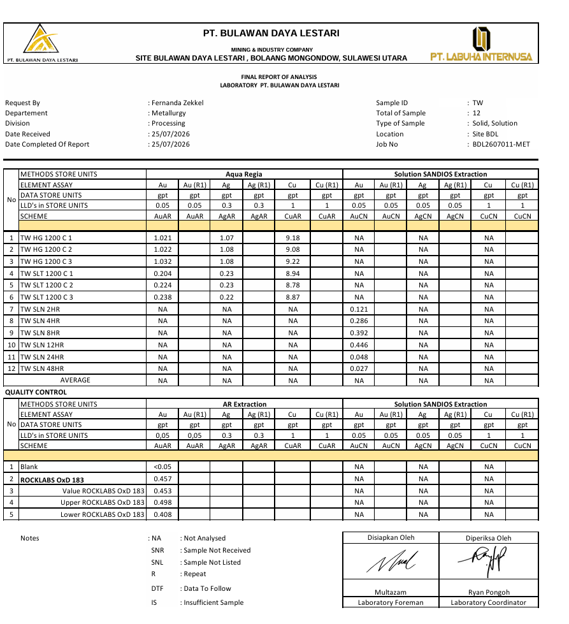

 |  | metal content |  |  |  | metal extraction
 |  | ug |  |  |  | %
 |  | Au | Ag | Cu |  | Au | Ag | Cu
 |  | 187.913 |  |  |  | 18%
 |  | 448.998 |  |  |  | 42%
 |  | 625.056 |  |  |  | 59%
 |  | 722.814 |  |  |  | 68%
 |  | 796.926 |  |  |  | 75%
 |  | 838.479 |  |  |  | 79%

CARBON 1200 C - 3 GPL
METALLURGICAL TESTWORK
 |  |  |  |  |  |  |  |  |  |  |  |  |  |  | no | METHOD STORE UNITS | Aqua Regia |  |  |  | CN Extraction
TEST BY | : | Geral Pinotoan |  |  |  |  |  |  |  |  |  |  |  |  |  | SAMPLE ID | Weight | Au | Ag | Cu | Weight | Au | Ag | Cu
TEST DESCRIPTION | : | p80% -75 mic, 1000 ppm, CIP 48 hours Sandios adsorption test 1200 C 3 gpl |  |  |  |  |  |  |  |  |  |  |  |  |  |  | gram | ppm | ppm | ppm | gram | ppm | ppm | ppm
DATE | : | 27-Jul-26 | 29-Jul-26 |  |  |  |  |  |  |  |  |  |  |  | 1 | TW HG 1200 C 3GPL - 1 |  | 1.145 | 0.95 | 8.34
ORE | : | Vein SR May 2026 |  |  |  |  |  |  |  |  |  |  |  |  | 2 | TW HG 1200 C 3GPL - 2 |  | 1.152 | 0.980 | 8.35
 |  |  |  |  |  |  |  |  |  |  |  |  |  |  | 3 | TW HG 1200 C 3GPL - 3 |  | 1.129 | 0.92 | 8.56
TestWork |  |  |  | Assay (PPM) |  |  |  |  | Reagen Consumptions |  |  |  |  |  | 4
pH | : | 11-11.5 |  |  | Au | Ag | Cu |  | Lime | 6.42 | kg/ton |  |  |  | 5 | TW SLT 1200 C 3GPL 1 |  | 0.316 | 0.32 | 8.05
Sandios (PPM) | : | 1000 |  | Head Grade | 1.142 | 0.950 | 8.417 |  | Sandios | 1.50 | kg/ton |  |  |  | 6 | TW SLT 1200 C 3GPL 2 |  | 0.352 | 0.3 | 8.160
%Solid | : | 40% |  | Tails | 0.332 | 0.303 | 8.110 |  | Floculant |  |  |  |  |  | 7 | TW SLT 1200 C 3GPL 3 |  | 0.328 | 0.29 | 8.12
%75 micron | : | 80% |  |  |  |  |  |  |  |  |  |  |  |  | 8
Dissolved Oxygen | : | - |  | Avg.Tails, ug | 335.984 |  |  |  |  |  |  |  |  |  | 9 | SLN 2 hr |  |  |  |  |  | 0.14
SG Ore | : | 2.1 |  | Calculated Head grade, ug | 958.531 |  |  |  |  |  |  |  |  |  | 10 | SLN 4 hr |  |  |  |  |  | 0.17
SG Slurry | : | 1.27 |  |  |  |  |  | 0.94716501976 |  |  |  |  |  |  | 11 | SLN 8 hr |  |  |  |  |  | 0.236
Carbon (gpl) | : | 3 |  |  |  |  |  |  |  |  |  |  |  |  | 12 | SLN 12 hr |  |  |  |  |  | 0.358
Leach Time | : | 48 |  | Carbon Head |  |  |  |  |  |  |  |  | 4 |  | 13 | SLN 24 hr |  |  |  |  |  | 0.025
Berat Vessel (gr) | : | 1290 |  | Carbon Assay After Leaching |  |  |  |  |  |  |  |  |  |  | 14 | SLN 48 hr |  |  |  |  |  | 0.015
Solid (gr) | : | 1012
Solution (ml) | : | 1518
Slurry (ml) | : | 2000
Final Residue (gr) | : | 1012

BACK TO MAIN
 |  | Leaching Monitoring |  |  |  |  |  |  |  |  |  |  |  |  |  | LEACH REACTOR |  |  |  | ASSAY SAMPLE |  |  |  | ASSAY RESULT |  |  |  |  |  |  |  |  | Au Contain ugram |  |  |  |  |  | Ag Content ugram |  |  |  |  |  | Cu Content ugram
 |  | Time | Reagen Addition |  |  | DO | Sandios (ppm) |  | pH |  | Berat Slurry |  | Vol Leach Reactor | Vol. Sampling Solution |  | SOLID | SOLUTION | CARBON |  | SOLID | SOLUTION | CARBON |  | Au |  |  | Ag |  |  | Cu |  |  | Leach Reactor |  | Assay Sample |  | Carbon |  | Leach Reactor |  | Assay Sample |  | Carbon |  | Leach Reactor |  | Assay Sample |  | Carbon
 |  |  |  |  |  |  |  |  |  |  |  |  |  |  |  |  |  |  |  |  |  |  |  | SOLID | SOLUTION | CARBON | SOLID | SOLUTION | CARBON | SOLID | SOLUTION | CARBON | Sld, ug | Sln,ug | Sld, ug | Sln, ug | Sld, ug | Sln, ug | Sld, ug | Sln,ug | Sld, ug | Sln, ug | Sld, ug | Sln, ug | Sld, ug | Sln,ug | Sld, ug | Sln, ug | Sld, ug | Sln, ug
 |  | Hours | Sandios (gr) | Lime (gr) | Carbon (gr) | ppm | Before | After | Before | After | Before | After | ml | ml |  | ml | gr | gr |  | gr | ml | gr
 |  | 0 | 1.52 | 4 |  |  | 0 | 1000 | 7 | 11 | 3825 | 3825 | 2000 | 0 |  | 1012 | 1523 |  |  |  | 40 |  |  |  | 0.14 |  |  |  |  |  |  |  |  | 206.9 |  | 5.6
 | 4 | 2 |  | 1 |  |  | 360 |  | 10 | 11 | 3820 | 3825 | 2000 | 40 |  |  | 1478 |  |  |  | 40 |  |  |  | 0.17 |  |  |  |  |  |  |  |  | 251.3 |  | 6.8
 | 4 | 4 |  |  |  |  | 320 |  | 11 | 11 | 3820 | 3825 | 2000 | 40 |  |  | 1478 |  |  |  | 40 |  |  |  | 0.236 |  |  |  |  |  |  |  |  | 348.8 |  | 9.44
 | 4 | 8 |  |  |  |  | 240 |  | 11 | 11 | 3820 | 3825 | 2000 | 40 |  |  | 1478 |  |  |  | 40 |  |  |  | 0.358 |  |  |  |  |  |  |  |  | 525.9 |  | 14.32
 | 4 | 12 |  | 1 | 3 |  | 220 |  | 11 | 11 | 3815 | 3830 | 2000 | 40 |  |  | 1469 |  |  |  | 40 |  |  |  | 0.025 |  |  |  |  |  |  |  |  | 36.9 |  | 1
 |  | 24 |  | 0.5 |  |  | 200 |  | 11 | 11 | 3820 | 3830 | 2000 | 40 |  |  | 1474 |  |  |  | 40 |  |  | 0.332 | 0.015 |  | 0.30333333333 |  |  | 8.110 |  |  | 335.984 | 22.0 |  | 0.6
 |  | 48 |  |  |  |  | 40 | 40 | 9 |  | 3815 |  | 2000 | 40 |  |  | 1469 |  |  | 1012 | 40 | 4 |  |  |  |  |  |  |  |  |  |  |  | 0.0 |  | 0
 |  | Total (gr) | 1.52 | 6.5 | 3
 |  | NaCN Final Solution (gr) | 0

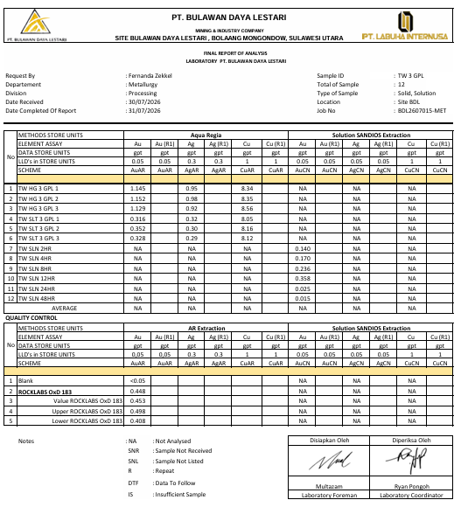
 |  | metal content |  |  |  | metal extraction
 |  | ug |  |  |  | %
 |  | Au | Ag | Cu |  | Au | Ag | Cu
 |  | 212.52 |  |  |  | 22%
 |  | 263.66 |  |  |  | 28%
 |  | 370.648 |  |  |  | 39%
 |  | 562.062 |  |  |  | 59%
 |  | 599.912 |  |  |  | 63%
 |  | 622.547 |  |  |  | 65%

TW P60
METALLURGICAL TESTWORK
 |  |  |  |  |  |  |  |  |  |  |  |  |  |  | no | METHOD STORE UNITS | Aqua Regia |  |  |  | CN Extraction
TEST BY | : | STANLEY |  |  |  |  |  |  |  |  |  |  |  |  |  | SAMPLE ID | Weight | Au | Ag | Cu | Weight | Au | Ag | Cu
TEST DESCRIPTION | : | Analysist effectifity %passing 60% - 75 micron to increase Au from material with sandios 1000 ppm |  |  |  |  |  |  |  |  |  |  |  |  |  |  | gram | ppm | ppm | ppm | gram | ppm | ppm | ppm
DATE | : |  |  |  |  |  |  |  |  |  |  |  |  |  | 1 | TW HG STAN 1 |  | 1.277 | 1.01 | 11.93
ORE | : |  |  |  |  |  |  |  |  |  |  |  |  |  | 2 | TW HG STAN 2 |  | 1.224 | 1.050 | 11.85
 |  |  |  |  |  |  |  |  |  |  |  |  |  |  | 3 | TW HG STAN 3 |  | 1.283 | 1.08 | 11.76
TestWork |  |  |  | Assay (PPM) |  |  |  |  | Reagen Consumptions |  |  |  |  |  | 4 | TW HG STAN 3-C
pH | : | 11-11.5 |  |  | Au | Ag | Cu |  | Lime | 4.79 | kg/ton |  |  |  | 5 | TW SLT STAN 1 |  | 0.497 | 0.69 | 10.97
Sandios (PPM) | : | 1000 |  | Head Grade | 1.261 | 1.047 | 11.847 |  | Sandios | 1.50 | kg/ton |  |  |  | 6 | TW SLT STAN 2 |  | 0.51 | 0.69 | 10.870
%Solid | : | 40% |  | Tails | 0.504 | 0.687 | 10.900 |  | Floculant |  |  |  |  |  | 7 | TW SLT STAN 3 |  | 0.505 | 0.68 | 10.86
%75 micron | : | 60% |  |  |  |  |  |  |  |  |  |  |  |  | 8 | TW SLT STAN 3-C
Dissolved Oxygen | : | - |  | Avg.Tails, ug | 510.048 |  |  |  |  |  |  |  |  |  | 9 | SLN 2 hr |  |  |  |  |  | 0.237
SG Ore | : | 2.1 |  | Calculated Head grade, ug | 1134.353 |  |  |  |  |  |  |  |  |  | 10 | SLN 4 hr |  |  |  |  |  | 0.324
SG Slurry | : | 1.27 |  |  |  |  |  | 1.1209021739 |  |  |  |  |  |  | 11 | SLN 8 hr |  |  |  |  |  | 0.336
Carbon (gpl) | : | 2 |  |  |  |  |  |  |  |  |  |  |  |  | 12 | SLN 12 hr |  |  |  |  |  | 0.357
Leach Time | : | 48 |  | Carbon Head |  |  |  |  |  |  |  |  | 4 |  | 13 | SLN 24 hr |  |  |  |  |  | 0.049
Berat Vessel (gr) | : | 1295 |  | Carbon Assay After Leaching |  |  |  |  |  |  |  |  |  |  | 14 | SLN 48 hr |  |  |  |  |  | 0.019
Solid (gr) | : | 1012
Solution (ml) | : | 1518
Slurry (ml) | : | 2000
Final Residue (gr) | : | 1012

BACK TO MAIN
 |  | Leaching Monitoring |  |  |  |  |  |  |  |  |  |  |  |  |  | LEACH REACTOR |  |  |  | ASSAY SAMPLE |  |  |  | ASSAY RESULT |  |  |  |  |  |  |  |  | Au Contain ugram |  |  |  |  |  | Ag Content ugram |  |  |  |  |  | Cu Content ugram
 |  | Time | Reagen Addition |  |  | DO | Sandios (ppm) |  | pH |  | Berat Slurry |  | Vol Leach Reactor | Vol. Sampling Solution |  | SOLID | SOLUTION | CARBON |  | SOLID | SOLUTION | CARBON |  | Au |  |  | Ag |  |  | Cu |  |  | Leach Reactor |  | Assay Sample |  | Carbon |  | Leach Reactor |  | Assay Sample |  | Carbon |  | Leach Reactor |  | Assay Sample |  | Carbon
 |  |  |  |  |  |  |  |  |  |  |  |  |  |  |  |  |  |  |  |  |  |  |  | SOLID | SOLUTION | CARBON | SOLID | SOLUTION | CARBON | SOLID | SOLUTION | CARBON | Sld, ug | Sln,ug | Sld, ug | Sln, ug | Sld, ug | Sln, ug | Sld, ug | Sln,ug | Sld, ug | Sln, ug | Sld, ug | Sln, ug | Sld, ug | Sln,ug | Sld, ug | Sln, ug | Sld, ug | Sln, ug
 |  | Hours | Sandios (gr) | Lime (gr) | Carbon (gr) | ppm | Before | After | Before | After | Before | After | ml | ml |  | ml | gr | gr |  | gr | ml | gr
 |  | 0 | 1.52 | 1.412 |  |  | 0 | 1000 | 6 | 11.5 | 3825 | 3825 | 2000 | 0 |  | 1012 | 1518 |  |  |  | 40 |  |  |  | 0.237 |  |  |  |  |  |  |  |  | 349.1 |  | 9.48
 | 4 | 2 |  | 0.942 |  |  |  | 80 | 8 | 11.2 | 3820 | 3825 | 2000 | 40 |  |  | 1473 |  |  |  | 40 |  |  |  | 0.324 |  |  |  |  |  |  |  |  | 436.8 |  | 12.96
 | 4 | 4 |  | 0.82 |  |  |  | 20 | 9.4 | 11.5 | 3695 | 3825 | 2000 | 40 |  |  | 1348 |  |  |  | 40 |  |  |  | 0.336 |  |  |  |  |  |  |  |  | 441.2 |  | 13.44
 | 4 | 8 |  | 0.804 |  |  |  | 20 | 10.4 | 11.5 | 3660 | 3825 | 2000 | 40 |  |  | 1313 |  |  |  | 40 |  |  |  | 0.357 |  |  |  |  |  |  |  |  | 485.2 |  | 14.28
 | 4 | 12 |  | 0 | 2 |  |  | 20 | 11.4 | 11.4 | 3710 | 3825 | 2000 | 40 |  |  | 1359 |  |  |  | 40 |  |  |  | 0.049 |  |  |  |  |  |  |  |  | 61.2 |  | 1.96
 |  | 24 |  | 0.873 |  |  |  | 20 | 11.3 | 11.3 | 3600 | 3825 | 2000 | 40 |  |  | 1249 |  |  |  | 40 |  |  | 0.504 | 0.019 |  | 0.68666666667 |  |  | 10.900 |  |  | 510.048 | 25.1 |  | 0.76
 |  | 48 |  |  |  |  |  | 20 |  |  | 3670 |  | 2000 | 40 |  |  | 1319 |  |  | 1012 | 40 | 2 |  |  |  |  |  |  |  |  |  |  |  | 0.0 |  | 0
 |  | Total (gr) | 1.52 | 4.851 | 2
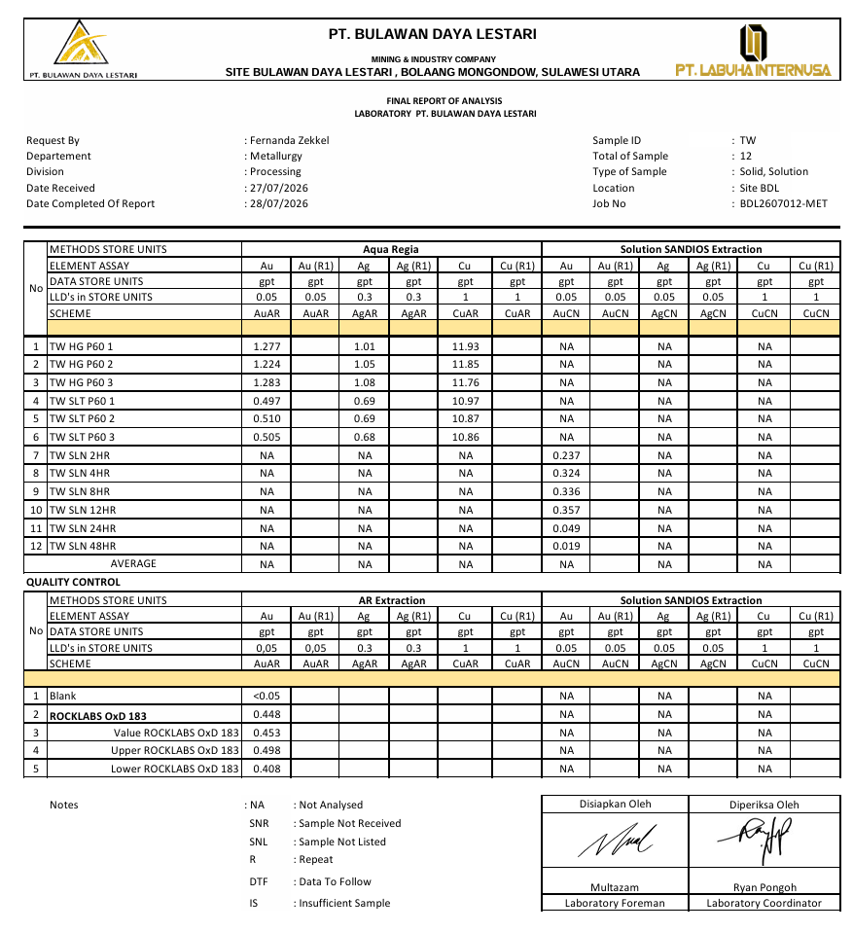
 |  | NaCN Final Solution (gr) | 0

 |  | metal content |  |  |  | metal extraction
 |  | ug |  |  |  | %
 |  | Au | Ag | Cu |  | Au | Ag | Cu
 |  | 358.581 |  |  |  | 32%
 |  | 459.192 |  |  |  | 40%
 |  | 477.048 |  |  |  | 42%
 |  | 535.323 |  |  |  | 47%
 |  | 598.484 |  |  |  | 53%
 |  | 624.305 |  |  |  | 55%

TW P70
METALLURGICAL TESTWORK
 |  |  |  |  |  |  |  |  |  |  |  |  |  |  | no | METHOD STORE UNITS | Aqua Regia |  |  |  | CN Extraction
TEST BY | : |  |  |  |  |  |  |  |  |  |  |  |  |  |  | SAMPLE ID | Weight | Au | Ag | Cu | Weight | Au | Ag | Cu
TEST DESCRIPTION | : |  |  |  |  |  |  |  |  |  |  |  |  |  |  |  | gram | ppm | ppm | ppm | gram | ppm | ppm | ppm
DATE | : |  |  |  |  |  |  |  |  |  |  |  |  |  | 1 | TW HG STAN 1 |  | 0.817 | 0.596 | 9.542
ORE | : |  |  |  |  |  |  |  |  |  |  |  |  |  | 2 | TW HG STAN 2 |  | 0.772 | 0.514 | 9.748
 |  |  |  |  |  |  |  |  |  |  |  |  |  |  | 3 | TW HG STAN 3 |  | 0.618 | 0.533 | 9.749
TestWork |  |  |  | Assay (PPM) |  |  |  |  | Reagen Consumptions |  |  |  |  |  | 4 | TW HG STAN 3-C
pH | : | 11-11.5 |  |  | Au | Ag | Cu |  | Lime | 6.42 | kg/ton |  |  |  | 5 | TW SLT STAN 1 |  | 0.104 | 0.30 | 7.69
Sandios (PPM) | : | 1000 |  | Head Grade | 0.736 | 0.548 | 9.680 |  | Sandios | 1.50 | kg/ton |  |  |  | 6 | TW SLT STAN 2 |  | 0.134 | 0.361 | 8.424
%Solid | : | 40% |  | Tails | 0.142 | 0.319 | 8.256 |  | Floculant |  |  |  |  |  | 7 | TW SLT STAN 3 |  | 0.187 | 0.296 | 8.654
%75 micron | : | 70% |  |  |  |  |  |  |  |  |  |  |  |  | 8 | TW SLT STAN 3-C
Dissolved Oxygen | : | - |  | Avg.Tails, ug | 143.36666667 |  |  |  |  |  |  |  |  |  | 9 | SLN 2 hr |  |  |  |  |  | 0.182
SG Ore | : | 2.1 |  | Calculated Head grade, ug | 583.91266667 |  |  |  |  |  |  |  |  |  | 10 | SLN 4 hr |  |  |  |  |  | 0.18
SG Slurry | : | 1.27 |  |  |  |  |  | 0.57698880105 |  |  |  |  |  |  | 11 | SLN 8 hr |  |  |  |  |  | 0.266
Carbon (gpl) | : | 2 |  |  |  |  |  |  |  |  |  |  |  |  | 12 | SLN 12 hr |  |  |  |  |  | 0.264
Leach Time | : | 48 |  | Carbon Head |  |  |  |  |  |  |  |  | 4 |  | 13 | SLN 24 hr |  |  |  |  |  | 0.014
Berat Vessel (gr) | : | 1290 |  | Carbon Assay After Leaching |  |  |  |  |  |  |  |  |  |  | 14 | SLN 48 hr |  |  |  |  |  | 0.001
Solid (gr) | : | 1012
Solution (ml) | : | 1518
Slurry (ml) | : | 2000
Final Residue (gr) | : | 1012

BACK TO MAIN
 |  | Leaching Monitoring |  |  |  |  |  |  |  |  |  |  |  |  |  | LEACH REACTOR |  |  |  | ASSAY SAMPLE |  |  |  | ASSAY RESULT |  |  |  |  |  |  |  |  | Au Contain ugram |  |  |  |  |  | Ag Content ugram |  |  |  |  |  | Cu Content ugram
 |  | Time | Reagen Addition |  |  | DO | Sandios (ppm) |  | pH |  | Berat Slurry |  | Vol Leach Reactor | Vol. Sampling Solution |  | SOLID | SOLUTION | CARBON |  | SOLID | SOLUTION | CARBON |  | Au |  |  | Ag |  |  | Cu |  |  | Leach Reactor |  | Assay Sample |  | Carbon |  | Leach Reactor |  | Assay Sample |  | Carbon |  | Leach Reactor |  | Assay Sample |  | Carbon
 |  |  |  |  |  |  |  |  |  |  |  |  |  |  |  |  |  |  |  |  |  |  |  | SOLID | SOLUTION | CARBON | SOLID | SOLUTION | CARBON | SOLID | SOLUTION | CARBON | Sld, ug | Sln,ug | Sld, ug | Sln, ug | Sld, ug | Sln, ug | Sld, ug | Sln,ug | Sld, ug | Sln, ug | Sld, ug | Sln, ug | Sld, ug | Sln,ug | Sld, ug | Sln, ug | Sld, ug | Sln, ug
 |  | Hours | Sandios (gr) | Lime (gr) | Carbon (gr) | ppm | Before | After | Before | After | Before | After | ml | ml |  | ml | gr | gr |  | gr | ml | gr
 |  | 0 | 1.52 | 4.5 |  |  | 0 | 1000 | 7 | 11 | 3805 | 3805 | 2000 | 0 |  | 1012 | 1503 |  |  |  | 40 |  |  |  | 0.182 |  |  |  |  |  |  |  |  | 265.4 |  | 7.28
 | 4 | 2 |  | 0.5 |  |  | 600 |  | 10 | 11 | 3800 | 3805 | 2000 | 40 |  |  | 1458 |  |  |  | 40 |  |  |  | 0.18 |  |  |  |  |  |  |  |  | 262.4 |  | 7.2
 | 4 | 4 |  |  |  |  | 560 |  | 11 | 11 | 3800 | 3805 | 2000 | 40 |  |  | 1458 |  |  |  | 40 |  |  |  | 0.266 |  |  |  |  |  |  |  |  | 387.8 |  | 10.64
 | 4 | 8 |  | 1 |  |  | 520 |  | 10 | 11 | 3800 | 3805 | 2000 | 40 |  |  | 1458 |  |  |  | 40 |  |  |  | 0.264 |  |  |  |  |  |  |  |  | 382.5 |  | 10.56
 | 4 | 12 |  |  | 2 |  | 280 |  | 11 | 11 | 3795 | 3810 | 2000 | 40 |  |  | 1449 |  |  |  | 40 |  |  |  | 0.014 |  |  |  |  |  |  |  |  | 20.3 |  | 0.56
 |  | 24 |  | 0.5 |  |  | 240 |  | 10 | 11 | 3795 | 3810 | 2000 | 40 |  |  | 1449 |  |  |  | 40 |  |  | 0.142 | 0.001 |  | 0.319 |  |  | 8.256 |  |  | 143.36666667 | 1.4 |  | 0.04
 |  | 48 |  |  |  |  | 200 |  | 10 |  | 3790 |  | 2000 | 40 |  |  | 1444 |  |  | 1012 | 40 | 4 |  |  |  |  |  |  |  |  |  |  |  | 0.0 |  | 0
 |  | Total (gr) | 1.52 | 6.50 | 2
 |  | NaCN Final Solution (gr) | 0

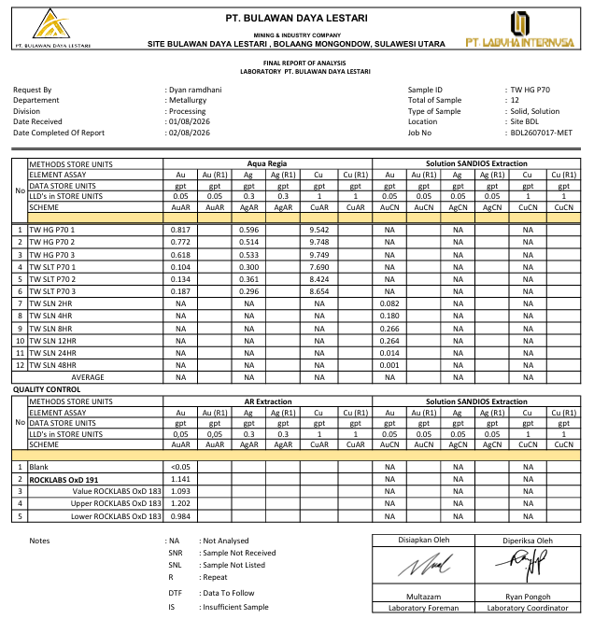
 |  | metal content |  |  |  | metal extraction |  |  |  | Recovery Last
 |  | ug |  |  |  | % |  |  |  | 0.80743090168
 |  | Au | Ag | Cu |  | Au | Ag | Cu
 |  | 272.636 |  |  |  | 47%
 |  | 276.92 |  |  |  | 47%
 |  | 412.948 |  |  |  | 71%
 |  | 418.216 |  |  |  | 72%
 |  | 439.062 |  |  |  | 75%
 |  | 440.546 |  |  |  | 75%

CARBON 1200 C - 2 GPL (RETEST)
METALLURGICAL TESTWORK
 |  |  |  |  |  |  |  |  |  |  |  |  |  |  | no | METHOD STORE UNITS | Aqua Regia |  |  |  | CN Extraction
TEST BY | : | Geral Pinotoan |  |  |  |  |  |  |  |  |  |  |  |  |  | SAMPLE ID | Weight | Au | Ag | Cu | Weight | Au | Ag | Cu
TEST DESCRIPTION | : | p80% -75 mic, 1000 ppm, CIP 48 hours Sandios adsorption test 1200 C activated carbon 2 gpl [RETEST] |  |  |  |  |  |  |  |  |  |  |  |  |  |  | gram | ppm | ppm | ppm | gram | ppm | ppm | ppm
DATE | : | 28-Jul-26 | 30-Jul-26 |  |  |  |  |  |  |  |  |  |  |  | 1 | TW HG STAN 1 |  | 0.746 | 0.76 | 10.21
ORE | : |  |  |  |  |  |  |  |  |  |  |  |  |  | 2 | TW HG STAN 2 |  | 0.741 | 0.780 | 10.22
 |  |  |  |  |  |  |  |  |  |  |  |  |  |  | 3 | TW HG STAN 3 |  | 0.719 | 0.77 | 10.27
TestWork |  |  |  | Assay (PPM) |  |  |  |  | Reagen Consumptions |  |  |  |  |  | 4 | TW HG STAN 3-C
pH | : | 11-11.5 |  |  | Au | Ag | Cu |  | Lime | 5.93 | kg/ton |  |  |  | 5 | TW SLT STAN 1 |  | 0.254 | 0.15 | 9.33
Sandios (PPM) | : | 1000 |  | Head Grade | 0.735 | 0.770 | 10.233 |  | Sandios | 1.50 | kg/ton |  |  |  | 6 | TW SLT STAN 2 |  | 0.229 | 0.13 | 9.260
%Solid | : | 40% |  | Tails | 0.239 | 0.140 | 9.263 |  | Floculant |  |  |  |  |  | 7 | TW SLT STAN 3 |  | 0.233 | 0.14 | 9.2
%75 micron | : | 60% |  |  |  |  |  |  |  |  |  |  |  |  | 8 | TW SLT STAN 3-C
Dissolved Oxygen | : | - |  | Avg.Tails, ug | 241.53066667 |  |  |  |  |  |  |  |  |  | 9 | SLN 2 hr |  |  |  |  |  | 0.076
SG Ore | : | 2.1 |  | Calculated Head grade, ug | 984.15366667 |  |  |  |  |  |  |  |  |  | 10 | SLN 4 hr |  |  |  |  |  | 0.156
SG Slurry | : | 1.27 |  |  |  |  |  | 0.97248386034 |  |  |  |  |  |  | 11 | SLN 8 hr |  |  |  |  |  | 0.192
Carbon (gpl) | : | 2 |  |  |  |  |  |  |  |  |  |  |  |  | 12 | SLN 12 hr |  |  |  |  |  | 0.206
Leach Time | : | 48 |  | Carbon Head |  |  |  |  |  |  |  |  | 4 |  | 13 | SLN 24 hr |  |  |  |  |  | 0.250
Berat Vessel (gr) | : | 1280 |  | Carbon Assay After Leaching |  |  |  |  |  |  |  |  |  |  | 14 | SLN 48 hr |  |  |  |  |  | 0.011
Solid (gr) | : | 1012
Solution (ml) | : | 1518
Slurry (ml) | : | 2000
Final Residue (gr) | : | 1012

BACK TO MAIN
 |  | Leaching Monitoring |  |  |  |  |  |  |  |  |  |  |  |  |  | LEACH REACTOR |  |  |  | ASSAY SAMPLE |  |  |  | ASSAY RESULT |  |  |  |  |  |  |  |  | Au Contain ugram |  |  |  |  |  | Ag Content ugram |  |  |  |  |  | Cu Content ugram
 |  | Time | Reagen Addition |  |  | DO | Sandios (ppm) |  | pH |  | Berat Slurry |  | Vol Leach Reactor | Vol. Sampling Solution |  | SOLID | SOLUTION | CARBON |  | SOLID | SOLUTION | CARBON |  | Au |  |  | Ag |  |  | Cu |  |  | Leach Reactor |  | Assay Sample |  | Carbon |  | Leach Reactor |  | Assay Sample |  | Carbon |  | Leach Reactor |  | Assay Sample |  | Carbon
 |  |  |  |  |  |  |  |  |  |  |  |  |  |  |  |  |  |  |  |  |  |  |  | SOLID | SOLUTION | CARBON | SOLID | SOLUTION | CARBON | SOLID | SOLUTION | CARBON | Sld, ug | Sln,ug | Sld, ug | Sln, ug | Sld, ug | Sln, ug | Sld, ug | Sln,ug | Sld, ug | Sln, ug | Sld, ug | Sln, ug | Sld, ug | Sln,ug | Sld, ug | Sln, ug | Sld, ug | Sln, ug
 |  | Hours | Sandios (gr) | Lime (gr) | Carbon (gr) | ppm | Before | After | Before | After | Before | After | ml | ml |  | ml | gr | gr |  | gr | ml | gr
 |  | 0 | 1.52 | 4.5 |  |  | 0 | 1000 | 7 | 11 | 3855 | 3855 | 2000 | 0 |  | 1012 | 1563 |  |  |  | 40 |  |  |  | 0.076 |  |  |  |  |  |  |  |  | 115.0 |  | 3.04
 | 4 | 2 |  |  |  |  | 480 |  | 11 | 11 | 3845 | 3855 | 2000 | 40 |  |  | 1513 |  |  |  | 40 |  |  |  | 0.156 |  |  |  |  |  |  |  |  | 235.2 |  | 6.24
 | 4 | 4 |  | 0.5 |  |  | 440 |  | 10 | 11 | 3840 | 3855 | 2000 | 40 |  |  | 1508 |  |  |  | 40 |  |  |  | 0.192 |  |  |  |  |  |  |  |  | 291.5 |  | 7.68
 | 4 | 8 |  |  |  |  | 400 |  | 11 | 11 | 3850 | 3855 | 2000 | 40 |  |  | 1518 |  |  |  | 40 |  |  |  | 0.206 |  |  |  |  |  |  |  |  | 311.9 |  | 8.24
 | 4 | 12 |  |  | 2 |  | 360 |  | 11 | 11 | 3850 | 3860 | 2000 | 40 |  |  | 1514 |  |  |  | 40 |  |  |  | 0.25 |  |  |  |  |  |  |  |  | 378.5 |  | 10
 |  | 24 |  | 1 |  |  | 80 |  | 10 | 11 | 3850 | 3860 | 2000 | 40 |  |  | 1514 |  |  |  | 40 |  |  | 0.239 | 0.011 |  | 0.14 |  |  | 9.263 |  |  | 241.53066667 | 16.6 |  | 0.44
 |  | 48 |  |  |  |  | 40 |  | 10 | 10 | 3845 |  | 2000 | 40 |  |  | 1509 |  |  | 1012 | 40 | 4 |  |  |  |  |  |  |  |  |  |  |  | 0.0 |  | 0
 |  | Total (gr) | 1.52 | 6 | 2
 |  | NaCN Final Solution (gr) | 0

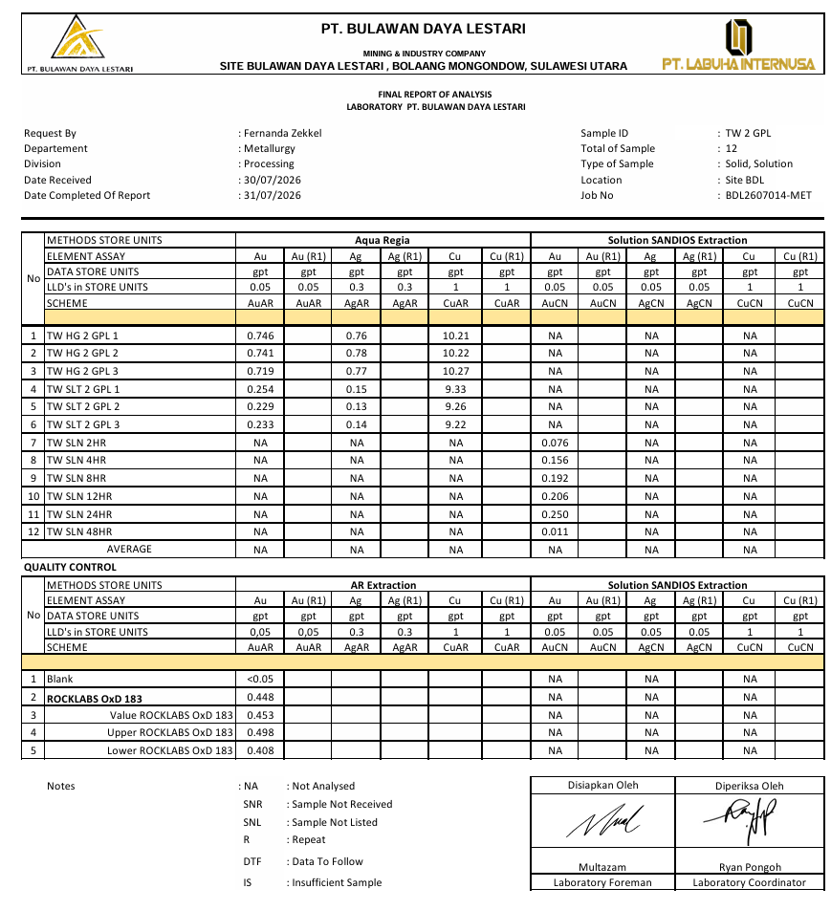
 |  | metal content |  |  |  | metal extraction
 |  | ug |  |  |  | %
 |  | Au | Ag | Cu |  | Au | Ag | Cu
 |  | 118.028 |  |  |  | 12%
 |  | 244.528 |  |  |  | 25%
 |  | 308.416 |  |  |  | 31%
 |  | 337.084 |  |  |  | 34%
 |  | 725.584 |  |  |  | 74%
 |  | 742.623 |  |  |  | 75%

CARBON 1200 C - 3 GPL (RETEST)
METALLURGICAL TESTWORK
 |  |  |  |  |  |  |  |  |  |  |  |  |  |  | no | METHOD STORE UNITS | Aqua Regia |  |  |  | CN Extraction
TEST BY | : |  |  |  |  |  |  |  |  |  |  |  |  |  |  | SAMPLE ID | Weight | Au | Ag | Cu | Weight | Au | Ag | Cu
TEST DESCRIPTION | : |  |  |  |  |  |  |  |  |  |  |  |  |  |  |  | gram | ppm | ppm | ppm | gram | ppm | ppm | ppm
DATE | : |  |  |  |  |  |  |  |  |  |  |  |  |  | 1 | TW HG STAN 1
ORE | : |  |  |  |  |  |  |  |  |  |  |  |  |  | 2 | TW HG STAN 2
 |  |  |  |  |  |  |  |  |  |  |  |  |  |  | 3 | TW HG STAN 3
TestWork |  |  |  | Assay (PPM) |  |  |  |  | Reagen Consumptions |  |  |  |  |  | 4 | TW HG STAN 3-C
pH | : | 11-11.5 |  |  | Au | Ag | Cu |  | Lime | 0.00 | kg/ton |  |  |  | 5 | TW SLT STAN 1
Sandios (PPM) | : | 1000 |  | Head Grade | #DIV/0! | #DIV/0! | #DIV/0! |  | Sandios | 1.50 | kg/ton |  |  |  | 6 | TW SLT STAN 2
%Solid | : | 40% |  | Tails | #DIV/0! | #DIV/0! | #DIV/0! |  | Floculant |  |  |  |  |  | 7 | TW SLT STAN 3
%75 micron | : | 60% |  |  |  |  |  |  |  |  |  |  |  |  | 8 | TW SLT STAN 3-C
Dissolved Oxygen | : | - |  | Avg.Tails, ug | #DIV/0! |  |  |  |  |  |  |  |  |  | 9 | SLN 2 hr
SG Ore | : | 2.1 |  | Calculated Head grade, ug | #DIV/0! |  |  |  |  |  |  |  |  |  | 10 | SLN 4 hr
SG Slurry | : | 1.27 |  |  |  |  |  | #DIV/0! |  |  |  |  |  |  | 11 | SLN 8 hr
Carbon (gpl) | : | 2 |  |  |  |  |  |  |  |  |  |  |  |  | 12 | SLN 12 hr
Leach Time | : | 48 |  | Carbon Head |  |  |  |  |  |  |  |  | 4 |  | 13 | SLN 24 hr
Berat Vessel (gr) | : |  |  | Carbon Assay After Leaching |  |  |  |  |  |  |  |  |  |  | 14 | SLN 48 hr
Solid (gr) | : | 1012
Solution (ml) | : | 1518
Slurry (ml) | : | 2000
Final Residue (gr) | : | 1012

BACK TO MAIN
 |  | Leaching Monitoring |  |  |  |  |  |  |  |  |  |  |  |  |  | LEACH REACTOR |  |  |  | ASSAY SAMPLE |  |  |  | ASSAY RESULT |  |  |  |  |  |  |  |  | Au Contain ugram |  |  |  |  |  | Ag Content ugram |  |  |  |  |  | Cu Content ugram
 |  | Time | Reagen Addition |  |  | DO | Sandios (ppm) |  | pH |  | Berat Slurry |  | Vol Leach Reactor | Vol. Sampling Solution |  | SOLID | SOLUTION | CARBON |  | SOLID | SOLUTION | CARBON |  | Au |  |  | Ag |  |  | Cu |  |  | Leach Reactor |  | Assay Sample |  | Carbon |  | Leach Reactor |  | Assay Sample |  | Carbon |  | Leach Reactor |  | Assay Sample |  | Carbon
 |  |  |  |  |  |  |  |  |  |  |  |  |  |  |  |  |  |  |  |  |  |  |  | SOLID | SOLUTION | CARBON | SOLID | SOLUTION | CARBON | SOLID | SOLUTION | CARBON | Sld, ug | Sln,ug | Sld, ug | Sln, ug | Sld, ug | Sln, ug | Sld, ug | Sln,ug | Sld, ug | Sln, ug | Sld, ug | Sln, ug | Sld, ug | Sln,ug | Sld, ug | Sln, ug | Sld, ug | Sln, ug
 |  | Hours | Sandios (gr) | Lime (gr) | Carbon (gr) | ppm | Before | After | Before | After | Before | After | ml | ml |  | ml | gr | gr |  | gr | ml | gr
 |  | 0 | 1.52 |  |  |  | 0 |  |  |  |  |  | 2000 | 0 |  | 1012 | -1012 |  |  |  | 40 |  |  |  | 0 |  |  |  |  |  |  |  |  | 0.0 |  | 0
 | 4 | 2 |  |  |  |  |  |  |  |  |  |  | 2000 | 40 |  |  | -1052 |  |  |  | 40 |  |  |  | 0 |  |  |  |  |  |  |  |  | 0.0 |  | 0
 | 4 | 4 |  |  |  |  |  |  |  |  |  |  | 2000 | 40 |  |  | -1052 |  |  |  | 40 |  |  |  | 0 |  |  |  |  |  |  |  |  | 0.0 |  | 0
 | 4 | 8 |  |  |  |  |  |  |  |  |  |  | 2000 | 40 |  |  | -1052 |  |  |  | 40 |  |  |  | 0 |  |  |  |  |  |  |  |  | 0.0 |  | 0
 | 4 | 12 |  |  | 4 |  |  |  |  |  |  |  | 2000 | 40 |  |  | -1056 |  |  |  | 40 |  |  |  | 0 |  |  |  |  |  |  |  |  | 0.0 |  | 0
 |  | 24 |  |  |  |  |  |  |  |  |  |  | 2000 | 40 |  |  | -1056 |  |  |  | 40 |  |  | #DIV/0! | 0 |  | #DIV/0! |  |  | #DIV/0! |  |  | #DIV/0! | 0.0 |  | 0
 |  | 48 |  |  |  |  |  |  |  |  |  |  | 2000 | 40 |  |  | -1056 |  |  | 1012 | 40 | 4 |  |  |  |  |  |  |  |  |  |  |  | 0.0 |  | 0
 |  | Total (gr) | 1.52 | 0 | 4
 |  | NaCN Final Solution (gr) | 0

 |  | metal content |  |  |  | metal extraction
 |  | ug |  |  |  | %
 |  | Au | Ag | Cu |  | Au | Ag | Cu
 |  | 0 |  |  |  | #DIV/0!
 |  | 0 |  |  |  | #DIV/0!
 |  | 0 |  |  |  | #DIV/0!
 |  | 0 |  |  |  | #DIV/0!
 |  | 0 |  |  |  | #DIV/0!
 |  | 0 |  |  |  | #DIV/0!

BOTTLE ROLL TEST
METALLURGICAL TESTWORK
 |  |  |  |  |  |  |  |  |  |  |  |  |  |  | no | METHOD STORE UNITS | Aqua Regia |  |  |  | CN Extraction
TEST BY | : | Dyan amaanda |  |  |  |  |  |  |  |  |  |  |  |  |  | SAMPLE ID | Weight | Au | Ag | Cu | Weight | Au | Ag | Cu
TEST DESCRIPTION | : |  |  |  |  |  |  |  |  |  |  |  |  |  |  |  | gram | ppm | ppm | ppm | gram | ppm | ppm | ppm
DATE | : |  |  |  |  |  |  |  |  |  |  |  |  |  | 1 | TW HG STAN 1 |  | 0.719 | 1.38 | 18.75
ORE | : |  |  |  |  |  |  |  |  |  |  |  |  |  | 2 | TW HG STAN 2 |  | 0.740 | 1.390 | 18.91
 |  |  |  |  |  |  |  |  |  |  |  |  |  |  | 3 | TW HG STAN 3 |  | 0.694 | 1.39 | 18.52
TestWork |  |  |  | Assay (PPM) |  |  |  |  | Reagen Consumptions |  |  |  |  |  | 4 | TW HG STAN 3-C
pH | : | 11-11.5 |  |  | Au | Ag | Cu |  | Lime | 10.67 | kg/ton |  |  |  | 5 | TW SLT STAN 1 |  | 0.408 | 1.04 | 16.43
Sandios (PPM) | : | 1500 |  | Head Grade | 0.718 | 1.387 | 18.727 |  | Sandios | 1.50 | kg/ton |  |  |  | 6 | TW SLT STAN 2 |  | 0.419 | 1.03 | 16.550
%Solid | : | 40% |  | Tails | 0.403 | 1.030 | 16.373 |  | Floculant |  |  |  |  |  | 7 | TW SLT STAN 3 |  | 0.381 | 1.02 | 16.14
%75 micron | : | 60% |  |  |  |  |  |  |  |  |  |  |  |  | 8 | TW SLT STAN 3-C
Dissolved Oxygen | : | - |  | Avg.Tails, ug | 407.49866667 |  |  |  |  |  |  |  |  |  | 9 | SLN 2 hr |  |  |  |  |  | 0.336
SG Ore | : | 2.1 |  | Calculated Head grade, ug | 1199.4066667 |  |  |  |  |  |  |  |  |  | 10 | SLN 4 hr |  |  |  |  |  | 0.469
SG Slurry | : | 1.27 |  |  |  |  |  | 1.1851844532 |  |  |  |  |  |  | 11 | SLN 8 hr |  |  |  |  |  | 0.552
Carbon (gpl) | : | 0 |  |  |  |  |  |  |  |  |  |  |  |  | 12 | SLN 12 hr |  |  |  |  |  | 0.538
Leach Time | : | 48 |  | Carbon Head |  |  |  |  |  |  |  |  | 4 |  | 13 | SLN 24 hr |  |  |  |  |  | 0.512
Berat Vessel (gr) | : | 355 |  | Carbon Assay After Leaching |  |  |  |  |  |  |  |  |  |  | 14 | SLN 48 hr |  |  |  |  |  | 0.452
Solid (gr) | : | 1012 |  |  |  |  |  |  |  | 0.43892243381
Solution (ml) | : | 1518
Slurry (ml) | : | 2000
Final Residue (gr) | : | 1012

BACK TO MAIN
 |  | Leaching Monitoring |  |  |  |  |  |  |  |  |  |  |  |  |  | LEACH REACTOR |  |  |  | ASSAY SAMPLE |  |  |  | ASSAY RESULT |  |  |  |  |  |  |  |  | Au Contain ugram |  |  |  |  |  | Ag Content ugram |  |  |  |  |  | Cu Content ugram
 |  | Time | Reagen Addition |  |  | DO | Sandios (ppm) |  | pH |  | Berat Slurry |  | Vol Leach Reactor | Vol. Sampling Solution |  | SOLID | SOLUTION | CARBON |  | SOLID | SOLUTION | CARBON |  | Au |  |  | Ag |  |  | Cu |  |  | Leach Reactor |  | Assay Sample |  | Carbon |  | Leach Reactor |  | Assay Sample |  | Carbon |  | Leach Reactor |  | Assay Sample |  | Carbon
 |  |  |  |  |  |  |  |  |  |  |  |  |  |  |  |  |  |  |  |  |  |  |  | SOLID | SOLUTION | CARBON | SOLID | SOLUTION | CARBON | SOLID | SOLUTION | CARBON | Sld, ug | Sln,ug | Sld, ug | Sln, ug | Sld, ug | Sln, ug | Sld, ug | Sln,ug | Sld, ug | Sln, ug | Sld, ug | Sln, ug | Sld, ug | Sln,ug | Sld, ug | Sln, ug | Sld, ug | Sln, ug
 |  | Hours | Sandios (gr) | Lime (gr) | Carbon (gr) | ppm | Before | After | Before | After | Before | After | ml | ml |  | ml | gr | gr |  | gr | ml | gr
 |  | 0 | 1.52 | 2.5 |  |  | 0 | 1000 | 7.4 | 11 | 2920 | 2920 | 2000 | 0 |  | 1012 | 1553 |  |  |  | 40 |  |  |  | 0.336 |  |  |  |  |  |  |  |  | 506.7 |  | 13.44
 | 4 | 2 |  | 0.5 |  |  | 700 |  | 10.5 | 11 | 2915 | 2920 | 2000 | 40 |  |  | 1508 |  |  |  | 40 |  |  |  | 0.469 |  |  |  |  |  |  |  |  | 704.9 |  | 18.76
 | 4 | 4 |  | 1.5 |  |  | 400 |  | 10.7 | 11 | 2910 | 2920 | 2000 | 40 |  |  | 1503 |  |  |  | 40 |  |  |  | 0.552 |  |  |  |  |  |  |  |  | 829.7 |  | 22.08
 | 4 | 8 |  | 2.5 |  |  | 200 |  | 10.5 | 11 | 2910 | 2920 | 2000 | 40 |  |  | 1503 |  |  |  | 40 |  |  |  | 0.538 |  |  |  |  |  |  |  |  | 806.5 |  | 21.52
 | 4 | 12 |  | 3.5 | 0 |  | 150 |  | 10.5 | 11 | 2910 | 2920 | 2000 | 40 |  |  | 1499 |  |  |  | 40 |  |  |  | 0.512 |  |  |  |  |  |  |  |  | 767.5 |  | 20.48
 |  | 24 |  | 0.3 |  |  | 150 |  | 10.5 | 11 | 2910 | 2920 | 2000 | 40 |  |  | 1499 |  |  |  | 40 |  |  | 0.403 | 0.452 |  | 1.03 |  |  | 16.373 |  |  | 407.49866667 | 677.5 |  | 18.08
 |  | 48 |  |  |  |  | 150 |  | 10.6 | 11.1 | 2910 | 2920 | 2000 | 40 |  |  | 1499 |  |  | 1012 | 40 | 4 |  |  |  |  |  |  |  |  |  |  |  | 0.0 |  | 0
 |  | Total (gr) | 1.52 | 10.8 | 0
 |  | NaCN Final Solution (gr) | 0

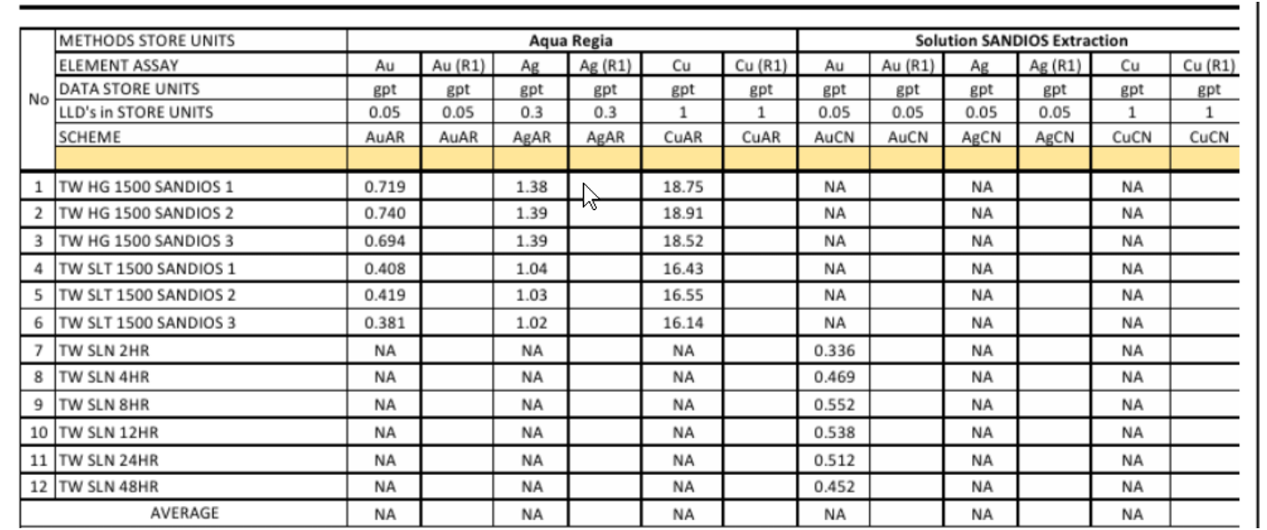
 |  | metal content |  |  |  | metal extraction
 |  | ug |  |  |  | %
 |  | Au | Ag | Cu |  | Au | Ag | Cu
 |  | 520.128 |  |  |  | 43%
 |  | 737.107 |  |  |  | 61%
 |  | 883.936 |  |  |  | 74%
 |  | 882.262 |  |  |  | 74%
 |  | 863.768 |  |  |  | 72%
 |  | 791.908 |  |  |  | 66%

COLD ELUTION 10000 PPM
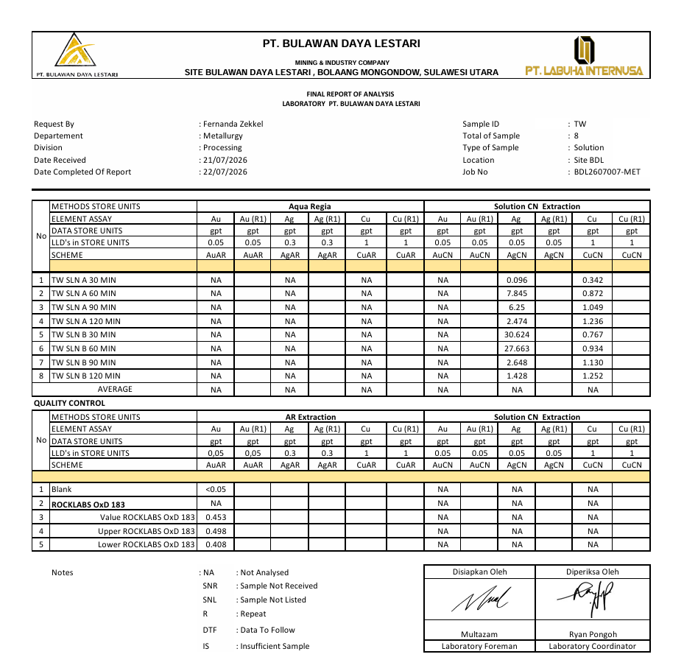
METALLURGY TEST WORK

PIC | : | GERALD PINOTOAN
DECRIPTION TEST | : | COLD ELUTION TEST TO DESORP CU AND FE
DATE | : | 2026-07-21
MATERIAL | : | LOADED CBN STRIP 2A

Parameter Proses
pH | : | 13-14
CN (ppm) | : | 10000
Weight Carbon (gr) | : | 50
Volume Carbon (ml) | : | 100
Bed Volume | : | 2
Solution (ml) | : | 200

Log Sheet Monitoring Process |  |  |  |  |  |  |  |  | Assay Lab Result |  |  | Metal Content |  |  | %Desorption
Time Process (min) | Reagent Additional gr |  |  | pH |  | NaCN (ppm) |  | Vol Sampling Solution
 | NaOH | NaCN | Carbon | Before | After | Before | After | ml | Au | Ag | Cu | Au | Ag | Cu | Au | Ag | Cu
0 |  | 1.96 | 50 |  | 14 | 0 | 10000 |  |  |  |  |  | 0 | 0 |  | 0% | 0%
30 |  |  |  |  | 13 |  | 8500 | 10 |  | 30.624 | 0.767 |  | 6124.8 | 153.4 |  | 34% | 11%
60 |  |  |  |  | 13 |  | 6500 | 10 |  | 27.663 | 0.934 |  | 5532.6 | 186.8 |  | 30% | 13%
90 |  |  |  |  | 13 |  | 5000 | 10 |  | 2.648 | 1.13 |  | 529.6 | 226 |  | 3% | 16%
120 |  |  |  |  | 13 |  | 4500 | 10 |  | 1.428 | 1.252 |  | 285.6 | 250.4 |  | 2% | 17%

BACK TO MAIN
 |  |  |  |  |  |  |  |  | Loaded Carbon Calculation ug |  |  | Head Carbon Assay
 |  |  |  |  |  |  |  |  | Au | Ag | Cu | Au | Ag | Cu
 |  |  |  |  |  |  |  |  | 33450 | 18200 | 1450 | 669 | 364 | 29

COLD ELUTION 5000 PPM
METALLURGY TEST WORK

PIC | : | GERALD PINOTOAN
DECRIPTION TEST | : | COLD ELUTION TEST TO DESORP CU AND FE 5000 PPM SANDIOS
DATE | : | 2026-07-21
MATERIAL | : | LOADED CBN STRIP 2A

Parameter Proses
pH | : | 13-14
CN (ppm) | : | 5000
Weight Carbon (gr) | : | 50
Volume Carbon (ml) | : | 100
Bed Volume | : | 2
Solution (ml) | : | 200

Log Sheet Monitoring Process |  |  |  |  |  |  |  |  | Assay Lab Result |  |  | Metal Content |  |  | %Desorption
Time Process (min) | Reagent Additional gr |  |  | pH |  | NaCN (ppm) |  | Vol Sampling Solution
 | NaOH | NaCN | Carbon | Before | After | Before | After | ml | Au | Ag | Cu | Au | Ag | Cu | Au | Ag | Cu
0 |  | 0.98 | 50 |  | 14 | 0 | 10000 |  |  |  |  |  | 0 | 0 |  | 0% | 0%
30 |  |  |  |  | 13 |  | 8500 | 10 |  | 0.096 | 0.342 |  | 19.2 | 68.4 |  | 0% | 5%
60 |  |  |  |  | 13 |  | 6500 | 10 |  | 7.845 | 0.872 |  | 1569 | 174.4 |  | 9% | 12%
90 |  |  |  |  | 13 |  | 5000 | 10 |  | 6.25 | 1.049 |  | 1250 | 209.8 |  | 7% | 14%
120 |  |  |  |  | 13 |  | 4500 | 10 |  | 2.474 | 1.236 |  | 494.8 | 247.2 |  | 3% | 17%

BACK TO MAIN
 |  |  |  |  |  |  |  |  | Loaded Carbon Calculation ug |  |  | Head Carbon Assay
 |  |  |  |  |  |  |  |  | Au | Ag | Cu | Au | Ag | Cu
 |  |  |  |  |  |  |  |  | 33450 | 18200 | 1450 | 669 | 364 | 29

